Experiment - Part A
I_B = 100 uA
V_{IN} (V) | V_{OUT} (V)
0.00 | 5.000
0.56 | 5.000
V_{OUT} vs V{IN} [I_B = 100 uA]
0.97 | 5.000
1.37 | 5.000
1.39 | 4.990
1.87 | 4.900
2.06 | 4.800
2.25 | 4.630
2.37 | 4.440
2.50 | 3.950
2.55 | 3.149
2.57 | 2.433
2.58 | 1.809
2.60 | 1.234
2.61 | 0.910
2.62 | 0.749
2.67 | 0.541
2.72 | 0.442
2.79 | 0.348
2.86 | 0.274
3.07 | 0.144
3.36 | 0.046
3.57 | 0.012
3.90 | 0.000
5.00 | 0.000

Experiment - Part B
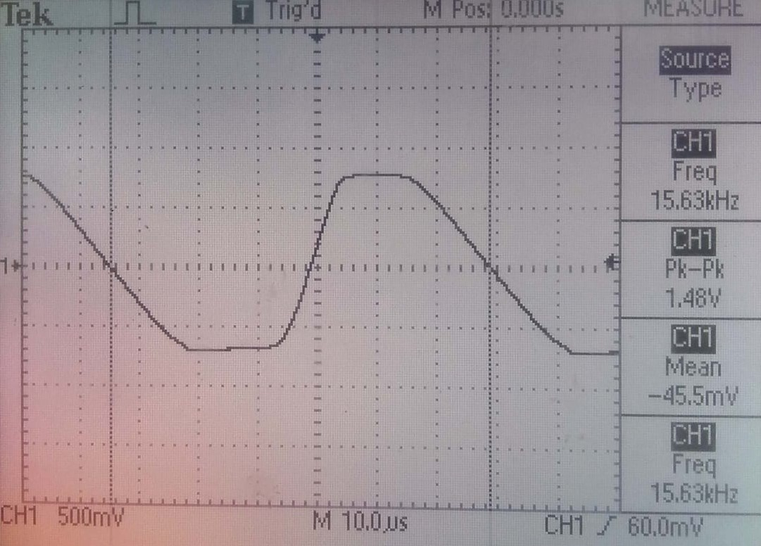
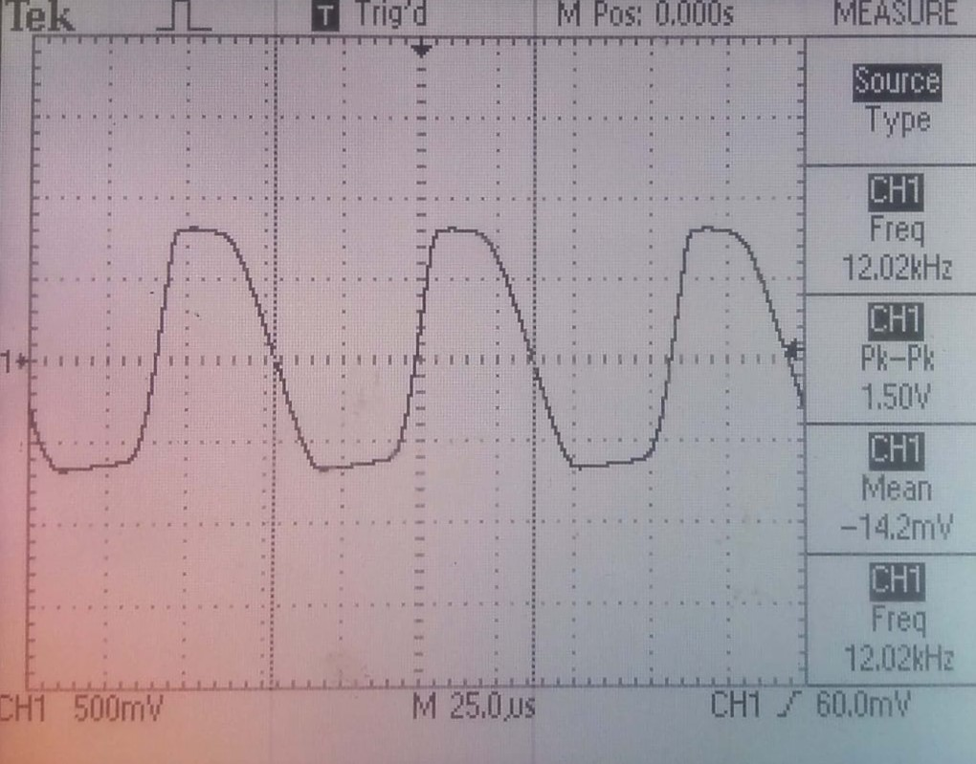
C = 100 pF | R = 15 kohm | C = 220 pF | R = 15 kohm

Frequency = 15.63 kHz |  | Frequency = 12.02 kHz

Experiment - Part C
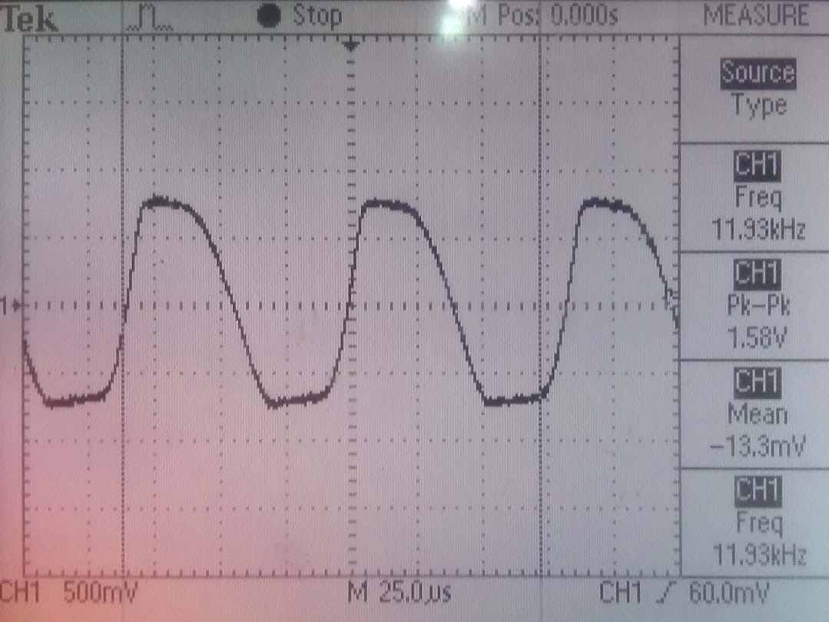
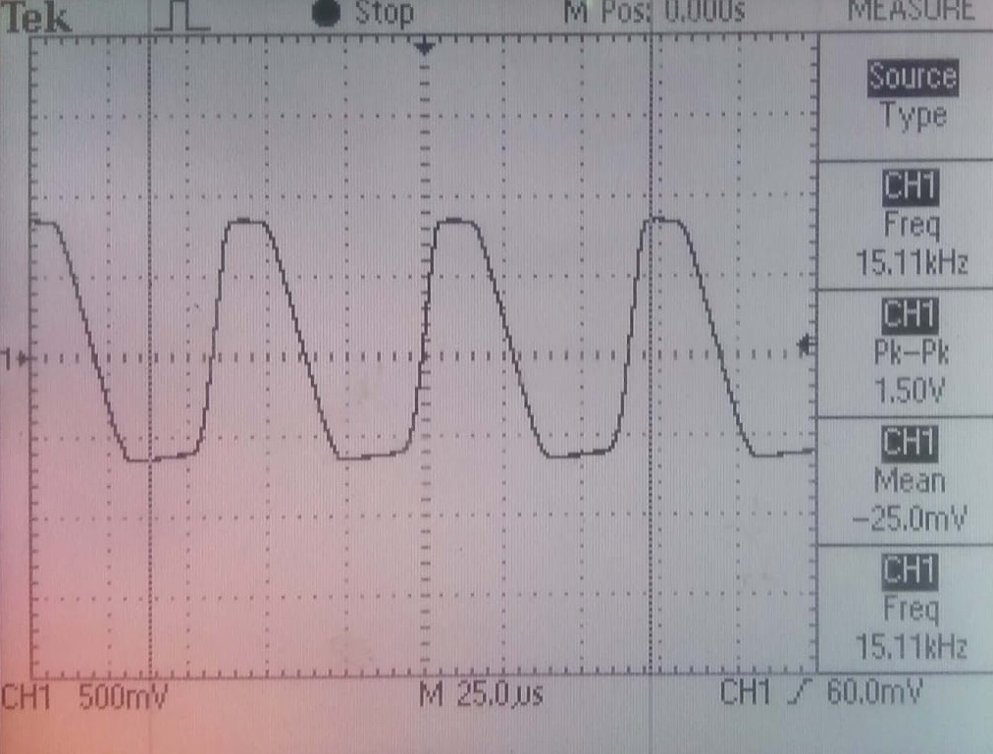
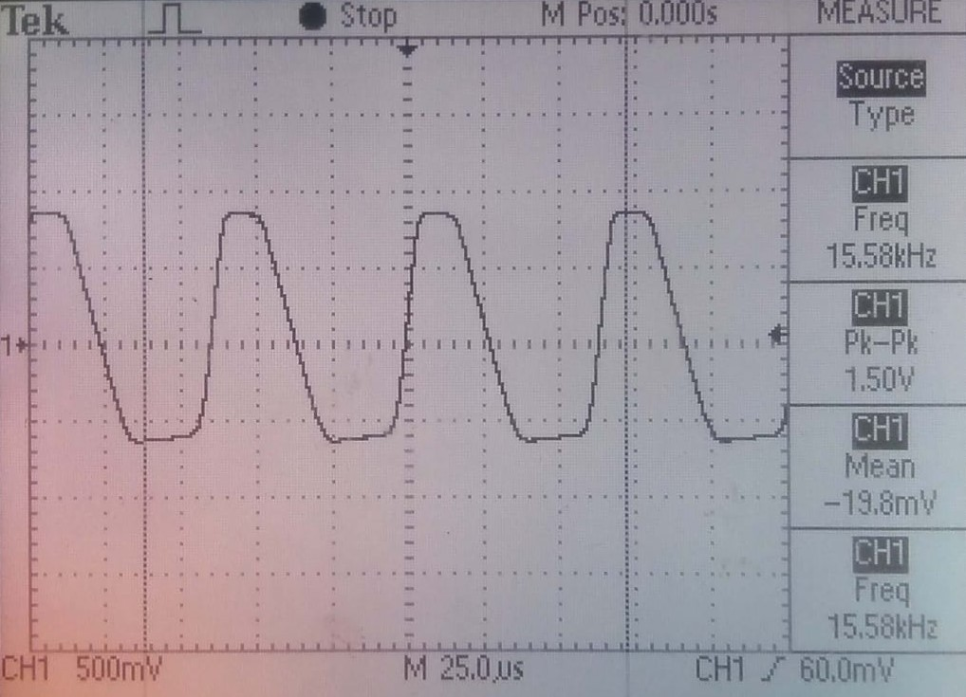
Dark | Room Light | High Illumination (Mobile Phone Flashlight)

Frequency = 11.93 kHz | Frequency = 15. kHz | Frequency = 15. kHz

Simulation - nMOS
 | V_T = 0.7 V

Please press Ctrl+[Down Arrow] from this cell to verify

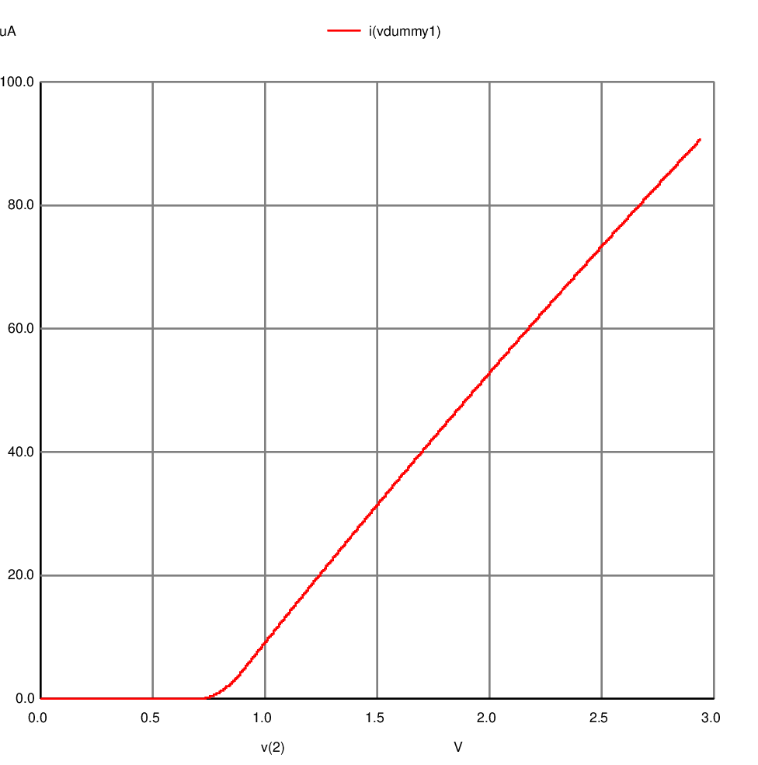
 |  | I_D (A) | V_DS (V)
 |  | 0.0000000000002140816 | 0.0014282
 |  | 0.0000000000002140816 | 0.0015709 | 0.0000000000000000000
 |  | 0.0000000000002140816 | 0.0017137 | 0.0000000000000000000
 |  | 0.0000000000002140816 | 0.0018565 | 0.0000000000000000000
 |  | 0.0000000000002140816 | 0.0019992 | 0.0000000000000000000
 |  | 0.0000000000002140816 | 0.0021419 | 0.0000000000000000000
 |  | 0.0000000000002140816 | 0.0022847 | 0.0000000000000000000
 |  | 0.0000000000002140816 | 0.0024274 | 0.0000000000000000000
 |  | 0.0000000000002140816 | 0.0025701 | 0.0000000000000000000
 |  | 0.0000000000002140816 | 0.0027128 | 0.0000000000000000000
 |  | 0.0000000000002140816 | 0.0028555 | 0.0000000000000000000
 |  | 0.0000000000002140816 | 0.0029982 | 0.0000000000000000000
 |  | 0.0000000000002140816 | 0.0031409 | 0.0000000000000000000
 |  | 0.0000000000002140816 | 0.0032836 | 0.0000000000000000000
 |  | 0.0000000000002140816 | 0.0034262 | 0.0000000000000000000
 |  | 0.0000000000002140816 | 0.0035689 | 0.0000000000000000000
 |  | 0.0000000000002140816 | 0.0037115 | 0.0000000000000000000
 |  | 0.0000000000002140816 | 0.0038542 | 0.0000000000000000000
 |  | 0.0000000000002140816 | 0.0039968 | 0.0000000000000000000
 |  | 0.0000000000002140816 | 0.0041394 | 0.0000000000000000000
 |  | 0.0000000000002140816 | 0.0042820 | 0.0000000000000000000
 |  | 0.0000000000002140816 | 0.0044247 | 0.0000000000000000000
 |  | 0.0000000000002140816 | 0.0045673 | 0.0000000000000000000
 |  | 0.0000000000002140816 | 0.0047098 | 0.0000000000000000000
 |  | 0.0000000000002140816 | 0.0048524 | 0.0000000000000000000
 |  | 0.0000000000002140816 | 0.0049950 | 0.0000000000000000000
 |  | 0.0000000000002140816 | 0.0051376 | 0.0000000000000000000
 |  | 0.0000000000002140816 | 0.0052801 | 0.0000000000000000000
 |  | 0.0000000000002140816 | 0.0054227 | 0.0000000000000000000
 |  | 0.0000000000002140816 | 0.0055652 | 0.0000000000000000000
 |  | 0.0000000000002140816 | 0.0057078 | 0.0000000000000000000
 |  | 0.0000000000002140816 | 0.0058503 | 0.0000000000000000000
 |  | 0.0000000000002140816 | 0.0059928 | 0.0000000000000000000
 |  | 0.0000000000002140816 | 0.0061353 | 0.0000000000000000000
 |  | 0.0000000000002140816 | 0.0062778 | 0.0000000000000000000
 |  | 0.0000000000002140816 | 0.0064203 | 0.0000000000000000000
 |  | 0.0000000000002140816 | 0.0065628 | 0.0000000000000000000
 |  | 0.0000000000002140816 | 0.0067053 | 0.0000000000000000000
 |  | 0.0000000000002140816 | 0.0068478 | 0.0000000000000000000
 |  | 0.0000000000002140816 | 0.0069902 | 0.0000000000000000000
 |  | 0.0000000000002140816 | 0.0071327 | 0.0000000000000000000
 |  | 0.0000000000002140816 | 0.0072751 | 0.0000000000000000000
 |  | 0.0000000000002140816 | 0.0074176 | 0.0000000000000000000
 |  | 0.0000000000002140816 | 0.0075600 | 0.0000000000000000000
 |  | 0.0000000000002140816 | 0.0077024 | 0.0000000000000000000
 |  | 0.0000000000002140816 | 0.0078448 | 0.0000000000000000000
 |  | 0.0000000000002140816 | 0.0079872 | 0.0000000000000000000
 |  | 0.0000000000002140816 | 0.0081296 | 0.0000000000000000000
 |  | 0.0000000000002140816 | 0.0082720 | 0.0000000000000000000
 |  | 0.0000000000002140816 | 0.0084144 | 0.0000000000000000000
 |  | 0.0000000000002140816 | 0.0085568 | 0.0000000000000000000
 |  | 0.0000000000002140816 | 0.0086991 | 0.0000000000000000000
 |  | 0.0000000000002140816 | 0.0088415 | 0.0000000000000000000
 |  | 0.0000000000002140816 | 0.0089838 | 0.0000000000000000000
 |  | 0.0000000000002140816 | 0.0091262 | 0.0000000000000000000
 |  | 0.0000000000002140816 | 0.0092685 | 0.0000000000000000000
 |  | 0.0000000000002140816 | 0.0094108 | 0.0000000000000000000
 |  | 0.0000000000002140816 | 0.0095531 | 0.0000000000000000000
 |  | 0.0000000000002140816 | 0.0096954 | 0.0000000000000000000
 |  | 0.0000000000002140816 | 0.0098377 | 0.0000000000000000000
 |  | 0.0000000000002140816 | 0.0099800 | 0.0000000000000000000
 |  | 0.0000000000002140816 | 0.0101223 | 0.0000000000000000000
 |  | 0.0000000000002140816 | 0.0102646 | 0.0000000000000000000
 |  | 0.0000000000002140816 | 0.0104069 | 0.0000000000000000000
 |  | 0.0000000000002140816 | 0.0105491 | 0.0000000000000000000
 |  | 0.0000000000002140816 | 0.0106914 | 0.0000000000000000000
 |  | 0.0000000000002140816 | 0.0108336 | 0.0000000000000000000
 |  | 0.0000000000002140816 | 0.0109759 | 0.0000000000000000000
 |  | 0.0000000000002140816 | 0.0111181 | 0.0000000000000000000
 |  | 0.0000000000002140816 | 0.0112603 | 0.0000000000000000000
 |  | 0.0000000000002140816 | 0.0114025 | 0.0000000000000000000
 |  | 0.0000000000002140816 | 0.0115447 | 0.0000000000000000000
 |  | 0.0000000000002140816 | 0.0116869 | 0.0000000000000000000
 |  | 0.0000000000002140816 | 0.0118291 | 0.0000000000000000000
 |  | 0.0000000000002140816 | 0.0119713 | 0.0000000000000000000
 |  | 0.0000000000002140816 | 0.0121134 | 0.0000000000000000000
 |  | 0.0000000000002140816 | 0.0122556 | 0.0000000000000000000
 |  | 0.0000000000002140816 | 0.0123978 | 0.0000000000000000000
 |  | 0.0000000000002140816 | 0.0125399 | 0.0000000000000000000
 |  | 0.0000000000002140816 | 0.0126820 | 0.0000000000000000000
 |  | 0.0000000000002140816 | 0.0128242 | 0.0000000000000000000
 |  | 0.0000000000002140816 | 0.0129663 | 0.0000000000000000000
 |  | 0.0000000000002140816 | 0.0131084 | 0.0000000000000000000
 |  | 0.0000000000002140816 | 0.0132505 | 0.0000000000000000000
 |  | 0.0000000000002140816 | 0.0133926 | 0.0000000000000000000
 |  | 0.0000000000002140816 | 0.0135347 | 0.0000000000000000000
 |  | 0.0000000000002140816 | 0.0136768 | 0.0000000000000000000
 |  | 0.0000000000002140816 | 0.0138188 | 0.0000000000000000000
 |  | 0.0000000000002140816 | 0.0139609 | 0.0000000000000000000
 |  | 0.0000000000002140816 | 0.0141030 | 0.0000000000000000000
 |  | 0.0000000000002140816 | 0.0142450 | 0.0000000000000000000
 |  | 0.0000000000002140816 | 0.0143871 | 0.0000000000000000000
 |  | 0.0000000000002140816 | 0.0145291 | 0.0000000000000000000
 |  | 0.0000000000002140816 | 0.0146711 | 0.0000000000000000000
 |  | 0.0000000000002140816 | 0.0148131 | 0.0000000000000000000
 |  | 0.0000000000002140816 | 0.0149551 | 0.0000000000000000000
 |  | 0.0000000000002140816 | 0.0150971 | 0.0000000000000000000
 |  | 0.0000000000002140816 | 0.0152391 | 0.0000000000000000000
 |  | 0.0000000000002140816 | 0.0153811 | 0.0000000000000000000
 |  | 0.0000000000002140816 | 0.0155231 | 0.0000000000000000000
 |  | 0.0000000000002140816 | 0.0156651 | 0.0000000000000000000
 |  | 0.0000000000002140816 | 0.0158070 | 0.0000000000000000000
 |  | 0.0000000000002140816 | 0.0159490 | 0.0000000000000000000
 |  | 0.0000000000002140816 | 0.0160909 | 0.0000000000000000000
 |  | 0.0000000000002140816 | 0.0162328 | 0.0000000000000000000
 |  | 0.0000000000002140816 | 0.0163748 | 0.0000000000000000000
 |  | 0.0000000000002140816 | 0.0165167 | 0.0000000000000000000
 |  | 0.0000000000002140816 | 0.0166586 | 0.0000000000000000000
 |  | 0.0000000000002140816 | 0.0168005 | 0.0000000000000000000
 |  | 0.0000000000002140816 | 0.0169424 | 0.0000000000000000000
 |  | 0.0000000000002140816 | 0.0170843 | 0.0000000000000000000
 |  | 0.0000000000002140816 | 0.0172262 | 0.0000000000000000000
 |  | 0.0000000000002140816 | 0.0173680 | 0.0000000000000000000
 |  | 0.0000000000002140816 | 0.0175099 | 0.0000000000000000000
 |  | 0.0000000000002140816 | 0.0176518 | 0.0000000000000000000
 |  | 0.0000000000002140816 | 0.0177936 | 0.0000000000000000000
 |  | 0.0000000000002140816 | 0.0179354 | 0.0000000000000000000
 |  | 0.0000000000002140816 | 0.0180773 | 0.0000000000000000000
 |  | 0.0000000000002140816 | 0.0182191 | 0.0000000000000000000
 |  | 0.0000000000002140816 | 0.0183609 | 0.0000000000000000000
 |  | 0.0000000000002140816 | 0.0185027 | 0.0000000000000000000
 |  | 0.0000000000002140816 | 0.0186445 | 0.0000000000000000000
 |  | 0.0000000000002140816 | 0.0187863 | 0.0000000000000000000
 |  | 0.0000000000002140816 | 0.0189281 | 0.0000000000000000000
 |  | 0.0000000000002140816 | 0.0190699 | 0.0000000000000000000
 |  | 0.0000000000002140816 | 0.0192116 | 0.0000000000000000000
 |  | 0.0000000000002140816 | 0.0193534 | 0.0000000000000000000
 |  | 0.0000000000002140816 | 0.0194951 | 0.0000000000000000000
 |  | 0.0000000000002140816 | 0.0196369 | 0.0000000000000000000
 |  | 0.0000000000002140816 | 0.0197786 | 0.0000000000000000000
 |  | 0.0000000000002140816 | 0.0199203 | 0.0000000000000000000
 |  | 0.0000000000002140816 | 0.0200620 | 0.0000000000000000000
 |  | 0.0000000000002140816 | 0.0202037 | 0.0000000000000000000
 |  | 0.0000000000002140816 | 0.0203455 | 0.0000000000000000000
 |  | 0.0000000000002140816 | 0.0204871 | 0.0000000000000000000
 |  | 0.0000000000002140816 | 0.0206288 | 0.0000000000000000000
 |  | 0.0000000000002140816 | 0.0207705 | 0.0000000000000000000
 |  | 0.0000000000002140816 | 0.0209122 | 0.0000000000000000000
 |  | 0.0000000000002140816 | 0.0210538 | 0.0000000000000000000
 |  | 0.0000000000002140816 | 0.0211955 | 0.0000000000000000000
 |  | 0.0000000000002140816 | 0.0213371 | 0.0000000000000000000
 |  | 0.0000000000002140816 | 0.0214788 | 0.0000000000000000000
 |  | 0.0000000000002140816 | 0.0216204 | 0.0000000000000000000
 |  | 0.0000000000002140816 | 0.0217620 | 0.0000000000000000000
 |  | 0.0000000000002140816 | 0.0219036 | 0.0000000000000000000
 |  | 0.0000000000002140816 | 0.0220452 | 0.0000000000000000000
 |  | 0.0000000000002140816 | 0.0221868 | 0.0000000000000000000
 |  | 0.0000000000002140816 | 0.0223284 | 0.0000000000000000000
 |  | 0.0000000000002140816 | 0.0224700 | 0.0000000000000000000
 |  | 0.0000000000002140816 | 0.0226116 | 0.0000000000000000000
 |  | 0.0000000000002140816 | 0.0227531 | 0.0000000000000000000
 |  | 0.0000000000002140816 | 0.0228947 | 0.0000000000000000000
 |  | 0.0000000000002140816 | 0.0230362 | 0.0000000000000000000
 |  | 0.0000000000002140816 | 0.0231778 | 0.0000000000000000000
 |  | 0.0000000000002140816 | 0.0233193 | 0.0000000000000000000
 |  | 0.0000000000002140816 | 0.0234608 | 0.0000000000000000000
 |  | 0.0000000000002140816 | 0.0236023 | 0.0000000000000000000
 |  | 0.0000000000002140816 | 0.0237439 | 0.0000000000000000000
 |  | 0.0000000000002140816 | 0.0238854 | 0.0000000000000000000
 |  | 0.0000000000002140816 | 0.0240268 | 0.0000000000000000000
 |  | 0.0000000000002140816 | 0.0241683 | 0.0000000000000000000
 |  | 0.0000000000002140816 | 0.0243098 | 0.0000000000000000000
 |  | 0.0000000000002140816 | 0.0244513 | 0.0000000000000000000
 |  | 0.0000000000002140816 | 0.0245927 | 0.0000000000000000000
 |  | 0.0000000000002140816 | 0.0247342 | 0.0000000000000000000
 |  | 0.0000000000002140816 | 0.0248756 | 0.0000000000000000000
 |  | 0.0000000000002140816 | 0.0250171 | 0.0000000000000000000
 |  | 0.0000000000002140816 | 0.0251585 | 0.0000000000000000000
 |  | 0.0000000000002140816 | 0.0252999 | 0.0000000000000000000
 |  | 0.0000000000002140816 | 0.0254413 | 0.0000000000000000000
 |  | 0.0000000000002140816 | 0.0255827 | 0.0000000000000000000
 |  | 0.0000000000002140816 | 0.0257241 | 0.0000000000000000000
 |  | 0.0000000000002140816 | 0.0258655 | 0.0000000000000000000
 |  | 0.0000000000002140816 | 0.0260069 | 0.0000000000000000000
 |  | 0.0000000000002140816 | 0.0261483 | 0.0000000000000000000
 |  | 0.0000000000002140816 | 0.0262896 | 0.0000000000000000000
 |  | 0.0000000000002140816 | 0.0264310 | 0.0000000000000000000
 |  | 0.0000000000002140816 | 0.0265723 | 0.0000000000000000000
 |  | 0.0000000000002140816 | 0.0267137 | 0.0000000000000000000
 |  | 0.0000000000002140816 | 0.0268550 | 0.0000000000000000000
 |  | 0.0000000000002140816 | 0.0269963 | 0.0000000000000000000
 |  | 0.0000000000002140816 | 0.0271376 | 0.0000000000000000000
 |  | 0.0000000000002140816 | 0.0272789 | 0.0000000000000000000
 |  | 0.0000000000002140816 | 0.0274202 | 0.0000000000000000000
 |  | 0.0000000000002140816 | 0.0275615 | 0.0000000000000000000
 |  | 0.0000000000002140816 | 0.0277028 | 0.0000000000000000000
 |  | 0.0000000000002140816 | 0.0278441 | 0.0000000000000000000
 |  | 0.0000000000002140816 | 0.0279853 | 0.0000000000000000000
 |  | 0.0000000000002140816 | 0.0281266 | 0.0000000000000000000
 |  | 0.0000000000002140816 | 0.0282679 | 0.0000000000000000000
 |  | 0.0000000000002140816 | 0.0284091 | 0.0000000000000000000
 |  | 0.0000000000002140816 | 0.0285503 | 0.0000000000000000000
 |  | 0.0000000000002140816 | 0.0286916 | 0.0000000000000000000
 |  | 0.0000000000002140816 | 0.0288328 | 0.0000000000000000000
 |  | 0.0000000000002140816 | 0.0289740 | 0.0000000000000000000
 |  | 0.0000000000002140816 | 0.0291152 | 0.0000000000000000000
 |  | 0.0000000000002140816 | 0.0292564 | 0.0000000000000000000
 |  | 0.0000000000002140816 | 0.0293976 | 0.0000000000000000000
 |  | 0.0000000000002140816 | 0.0295387 | 0.0000000000000000000
 |  | 0.0000000000002140816 | 0.0296799 | 0.0000000000000000000
 |  | 0.0000000000002140816 | 0.0298211 | 0.0000000000000000000
 |  | 0.0000000000002140816 | 0.0299622 | 0.0000000000000000000
 |  | 0.0000000000002140816 | 0.0301034 | 0.0000000000000000000
 |  | 0.0000000000002140816 | 0.0302445 | 0.0000000000000000000
 |  | 0.0000000000002140816 | 0.0303856 | 0.0000000000000000000
 |  | 0.0000000000002140816 | 0.0305268 | 0.0000000000000000000
 |  | 0.0000000000002140816 | 0.0306679 | 0.0000000000000000000
 |  | 0.0000000000002140816 | 0.0308090 | 0.0000000000000000000
 |  | 0.0000000000002140816 | 0.0309501 | 0.0000000000000000000
 |  | 0.0000000000002140816 | 0.0310912 | 0.0000000000000000000
 |  | 0.0000000000002140816 | 0.0312323 | 0.0000000000000000000
 |  | 0.0000000000002140816 | 0.0313733 | 0.0000000000000000000
 |  | 0.0000000000002140816 | 0.0315144 | 0.0000000000000000000
 |  | 0.0000000000002140816 | 0.0316555 | 0.0000000000000000000
 |  | 0.0000000000002140816 | 0.0317965 | 0.0000000000000000000
 |  | 0.0000000000002140816 | 0.0319375 | 0.0000000000000000000
 |  | 0.0000000000002140816 | 0.0320786 | 0.0000000000000000000
 |  | 0.0000000000002140816 | 0.0322196 | 0.0000000000000000000
 |  | 0.0000000000002140816 | 0.0323606 | 0.0000000000000000000
 |  | 0.0000000000002140816 | 0.0325016 | 0.0000000000000000000
 |  | 0.0000000000002140816 | 0.0326426 | 0.0000000000000000000
 |  | 0.0000000000002140816 | 0.0327836 | 0.0000000000000000000
 |  | 0.0000000000002140816 | 0.0329246 | 0.0000000000000000000
 |  | 0.0000000000002140816 | 0.0330656 | 0.0000000000000000000
 |  | 0.0000000000002140816 | 0.0332066 | 0.0000000000000000000
 |  | 0.0000000000002140816 | 0.0333475 | 0.0000000000000000000
 |  | 0.0000000000002140816 | 0.0334885 | 0.0000000000000000000
 |  | 0.0000000000002140816 | 0.0336294 | 0.0000000000000000000
 |  | 0.0000000000002140816 | 0.0337704 | 0.0000000000000000000
 |  | 0.0000000000002140816 | 0.0339113 | 0.0000000000000000000
 |  | 0.0000000000002140816 | 0.0340522 | 0.0000000000000000000
 |  | 0.0000000000002140816 | 0.0341931 | 0.0000000000000000000
 |  | 0.0000000000002140816 | 0.0343340 | 0.0000000000000000000
 |  | 0.0000000000002140816 | 0.0344749 | 0.0000000000000000000
 |  | 0.0000000000002140816 | 0.0346158 | 0.0000000000000000000
 |  | 0.0000000000002140816 | 0.0347567 | 0.0000000000000000000
 |  | 0.0000000000002140816 | 0.0348976 | 0.0000000000000000000
 |  | 0.0000000000002140816 | 0.0350384 | 0.0000000000000000000
 |  | 0.0000000000002140816 | 0.0351793 | 0.0000000000000000000
 |  | 0.0000000000002140816 | 0.0353202 | 0.0000000000000000000
 |  | 0.0000000000002140816 | 0.0354610 | 0.0000000000000000000
 |  | 0.0000000000002140816 | 0.0356018 | 0.0000000000000000000
 |  | 0.0000000000002140816 | 0.0357427 | 0.0000000000000000000
 |  | 0.0000000000002140816 | 0.0358835 | 0.0000000000000000000
 |  | 0.0000000000002140816 | 0.0360243 | 0.0000000000000000000
 |  | 0.0000000000002140816 | 0.0361651 | 0.0000000000000000000
 |  | 0.0000000000002140816 | 0.0363059 | 0.0000000000000000000
 |  | 0.0000000000002140816 | 0.0364467 | 0.0000000000000000000
 |  | 0.0000000000002140816 | 0.0365874 | 0.0000000000000000000
 |  | 0.0000000000002140816 | 0.0367282 | 0.0000000000000000000
 |  | 0.0000000000002140816 | 0.0368690 | 0.0000000000000000000
 |  | 0.0000000000002140816 | 0.0370097 | 0.0000000000000000000
 |  | 0.0000000000002140816 | 0.0371505 | 0.0000000000000000000
 |  | 0.0000000000002140816 | 0.0372912 | 0.0000000000000000000
 |  | 0.0000000000002140816 | 0.0374319 | 0.0000000000000000000
 |  | 0.0000000000002140816 | 0.0375727 | 0.0000000000000000000
 |  | 0.0000000000002140816 | 0.0377134 | 0.0000000000000000000
 |  | 0.0000000000002140816 | 0.0378541 | 0.0000000000000000000
 |  | 0.0000000000002140816 | 0.0379948 | 0.0000000000000000000
 |  | 0.0000000000002140816 | 0.0381355 | 0.0000000000000000000
 |  | 0.0000000000002140816 | 0.0382762 | 0.0000000000000000000
 |  | 0.0000000000002140816 | 0.0384168 | 0.0000000000000000000
 |  | 0.0000000000002140816 | 0.0385575 | 0.0000000000000000000
 |  | 0.0000000000002140816 | 0.0386982 | 0.0000000000000000000
 |  | 0.0000000000002140816 | 0.0388388 | 0.0000000000000000000
 |  | 0.0000000000002140816 | 0.0389795 | 0.0000000000000000000
 |  | 0.0000000000002140816 | 0.0391201 | 0.0000000000000000000
 |  | 0.0000000000002140816 | 0.0392607 | 0.0000000000000000000
 |  | 0.0000000000002140816 | 0.0394013 | 0.0000000000000000000
 |  | 0.0000000000002140816 | 0.0395419 | 0.0000000000000000000
 |  | 0.0000000000002140816 | 0.0396825 | 0.0000000000000000000
 |  | 0.0000000000002140816 | 0.0398231 | 0.0000000000000000000
 |  | 0.0000000000002140816 | 0.0399637 | 0.0000000000000000000
 |  | 0.0000000000002140816 | 0.0401043 | 0.0000000000000000000
 |  | 0.0000000000002140816 | 0.0402449 | 0.0000000000000000000
 |  | 0.0000000000002140816 | 0.0403854 | 0.0000000000000000000
 |  | 0.0000000000002140816 | 0.0405260 | 0.0000000000000000000
 |  | 0.0000000000002140816 | 0.0406665 | 0.0000000000000000000
 |  | 0.0000000000002140816 | 0.0408071 | 0.0000000000000000000
 |  | 0.0000000000002140816 | 0.0409476 | 0.0000000000000000000
 |  | 0.0000000000002140816 | 0.0410881 | 0.0000000000000000000
 |  | 0.0000000000002140816 | 0.0412286 | 0.0000000000000000000
 |  | 0.0000000000002140816 | 0.0413692 | 0.0000000000000000000
 |  | 0.0000000000002140816 | 0.0415097 | 0.0000000000000000000
 |  | 0.0000000000002140816 | 0.0416501 | 0.0000000000000000000
 |  | 0.0000000000002140816 | 0.0417906 | 0.0000000000000000000
 |  | 0.0000000000002140816 | 0.0419311 | 0.0000000000000000000
 |  | 0.0000000000002140816 | 0.0420716 | 0.0000000000000000000
 |  | 0.0000000000002140816 | 0.0422120 | 0.0000000000000000000
 |  | 0.0000000000002140816 | 0.0423525 | 0.0000000000000000000
 |  | 0.0000000000002140816 | 0.0424929 | 0.0000000000000000000
 |  | 0.0000000000002140816 | 0.0426334 | 0.0000000000000000000
 |  | 0.0000000000002140816 | 0.0427738 | 0.0000000000000000000
 |  | 0.0000000000002140816 | 0.0429142 | 0.0000000000000000000
 |  | 0.0000000000002140816 | 0.0430546 | 0.0000000000000000000
 |  | 0.0000000000002140816 | 0.0431950 | 0.0000000000000000000
 |  | 0.0000000000002140816 | 0.0433354 | 0.0000000000000000000
 |  | 0.0000000000002140816 | 0.0434758 | 0.0000000000000000000
 |  | 0.0000000000002140816 | 0.0436162 | 0.0000000000000000000
 |  | 0.0000000000002140816 | 0.0437566 | 0.0000000000000000000
 |  | 0.0000000000002140816 | 0.0438969 | 0.0000000000000000000
 |  | 0.0000000000002140816 | 0.0440373 | 0.0000000000000000000
 |  | 0.0000000000002140816 | 0.0441776 | 0.0000000000000000000
 |  | 0.0000000000002140816 | 0.0443180 | 0.0000000000000000000
 |  | 0.0000000000002140816 | 0.0444583 | 0.0000000000000000000
 |  | 0.0000000000002140816 | 0.0445986 | 0.0000000000000000000
 |  | 0.0000000000002140816 | 0.0447389 | 0.0000000000000000000
 |  | 0.0000000000002140816 | 0.0448792 | 0.0000000000000000000
 |  | 0.0000000000002140816 | 0.0450195 | 0.0000000000000000000
 |  | 0.0000000000002140816 | 0.0451598 | 0.0000000000000000000
 |  | 0.0000000000002140816 | 0.0453001 | 0.0000000000000000000
 |  | 0.0000000000002140816 | 0.0454404 | 0.0000000000000000000
 |  | 0.0000000000002140816 | 0.0455807 | 0.0000000000000000000
 |  | 0.0000000000002140816 | 0.0457209 | 0.0000000000000000000
 |  | 0.0000000000002140816 | 0.0458612 | 0.0000000000000000000
 |  | 0.0000000000002140816 | 0.0460014 | 0.0000000000000000000
 |  | 0.0000000000002140816 | 0.0461417 | 0.0000000000000000000
 |  | 0.0000000000002140816 | 0.0462819 | 0.0000000000000000000
 |  | 0.0000000000002140816 | 0.0464221 | 0.0000000000000000000
 |  | 0.0000000000002140816 | 0.0465623 | 0.0000000000000000000
 |  | 0.0000000000002140816 | 0.0467025 | 0.0000000000000000000
 |  | 0.0000000000002140816 | 0.0468427 | 0.0000000000000000000
 |  | 0.0000000000002140816 | 0.0469829 | 0.0000000000000000000
 |  | 0.0000000000002140816 | 0.0471231 | 0.0000000000000000000
 |  | 0.0000000000002140816 | 0.0472633 | 0.0000000000000000000
 |  | 0.0000000000002140816 | 0.0474034 | 0.0000000000000000000
 |  | 0.0000000000002140816 | 0.0475436 | 0.0000000000000000000
 |  | 0.0000000000002140816 | 0.0476837 | 0.0000000000000000000
 |  | 0.0000000000002140816 | 0.0478239 | 0.0000000000000000000
 |  | 0.0000000000002140816 | 0.0479640 | 0.0000000000000000000
 |  | 0.0000000000002140816 | 0.0481041 | 0.0000000000000000000
 |  | 0.0000000000002140816 | 0.0482443 | 0.0000000000000000000
 |  | 0.0000000000002140816 | 0.0483844 | 0.0000000000000000000
 |  | 0.0000000000002140816 | 0.0485245 | 0.0000000000000000000
 |  | 0.0000000000002140816 | 0.0486646 | 0.0000000000000000000
 |  | 0.0000000000002140816 | 0.0488046 | 0.0000000000000000000
 |  | 0.0000000000002140816 | 0.0489447 | 0.0000000000000000000
 |  | 0.0000000000002140816 | 0.0490848 | 0.0000000000000000000
 |  | 0.0000000000002140816 | 0.0492249 | 0.0000000000000000000
 |  | 0.0000000000002140816 | 0.0493649 | 0.0000000000000000000
 |  | 0.0000000000002140816 | 0.0495050 | 0.0000000000000000000
 |  | 0.0000000000002140816 | 0.0496450 | 0.0000000000000000000
 |  | 0.0000000000002140816 | 0.0497850 | 0.0000000000000000000
 |  | 0.0000000000002140816 | 0.0499250 | 0.0000000000000000000
 |  | 0.0000000000002140816 | 0.0500651 | 0.0000000000000000000
 |  | 0.0000000000002140816 | 0.0502051 | 0.0000000000000000000
 |  | 0.0000000000002140816 | 0.0503451 | 0.0000000000000000000
 |  | 0.0000000000002140816 | 0.0504851 | 0.0000000000000000000
 |  | 0.0000000000002140816 | 0.0506250 | 0.0000000000000000000
 |  | 0.0000000000002140816 | 0.0507650 | 0.0000000000000000000
 |  | 0.0000000000002140816 | 0.0509050 | 0.0000000000000000000
 |  | 0.0000000000002140816 | 0.0510449 | 0.0000000000000000000
 |  | 0.0000000000002140816 | 0.0511849 | 0.0000000000000000000
 |  | 0.0000000000002140816 | 0.0513248 | 0.0000000000000000000
 |  | 0.0000000000002140816 | 0.0514648 | 0.0000000000000000000
 |  | 0.0000000000002140816 | 0.0516047 | 0.0000000000000000000
 |  | 0.0000000000002140816 | 0.0517446 | 0.0000000000000000000
 |  | 0.0000000000002140816 | 0.0518845 | 0.0000000000000000000
 |  | 0.0000000000002140816 | 0.0520244 | 0.0000000000000000000
 |  | 0.0000000000002140816 | 0.0521643 | 0.0000000000000000000
 |  | 0.0000000000002140816 | 0.0523042 | 0.0000000000000000000
 |  | 0.0000000000002140816 | 0.0524441 | 0.0000000000000000000
 |  | 0.0000000000002140816 | 0.0525840 | 0.0000000000000000000
 |  | 0.0000000000002140816 | 0.0527238 | 0.0000000000000000000
 |  | 0.0000000000002140816 | 0.0528637 | 0.0000000000000000000
 |  | 0.0000000000002140816 | 0.0530035 | 0.0000000000000000000
 |  | 0.0000000000002140816 | 0.0531434 | 0.0000000000000000000
 |  | 0.0000000000002140816 | 0.0532832 | 0.0000000000000000000
 |  | 0.0000000000002140816 | 0.0534230 | 0.0000000000000000000
 |  | 0.0000000000002140816 | 0.0535629 | 0.0000000000000000000
 |  | 0.0000000000002140816 | 0.0537027 | 0.0000000000000000000
 |  | 0.0000000000002140816 | 0.0538425 | 0.0000000000000000000
 |  | 0.0000000000002140816 | 0.0539823 | 0.0000000000000000000
 |  | 0.0000000000002140816 | 0.0541220 | 0.0000000000000000000
 |  | 0.0000000000002140816 | 0.0542618 | 0.0000000000000000000
 |  | 0.0000000000002140816 | 0.0544016 | 0.0000000000000000000
 |  | 0.0000000000002140816 | 0.0545413 | 0.0000000000000000000
 |  | 0.0000000000002140816 | 0.0546811 | 0.0000000000000000000
 |  | 0.0000000000002140816 | 0.0548208 | 0.0000000000000000000
 |  | 0.0000000000002140816 | 0.0549606 | 0.0000000000000000000
 |  | 0.0000000000002140816 | 0.0551003 | 0.0000000000000000000
 |  | 0.0000000000002140816 | 0.0552400 | 0.0000000000000000000
 |  | 0.0000000000002140816 | 0.0553798 | 0.0000000000000000000
 |  | 0.0000000000002140816 | 0.0555195 | 0.0000000000000000000
 |  | 0.0000000000002140816 | 0.0556592 | 0.0000000000000000000
 |  | 0.0000000000002140816 | 0.0557988 | 0.0000000000000000000
 |  | 0.0000000000002140816 | 0.0559385 | 0.0000000000000000000
 |  | 0.0000000000002140816 | 0.0560782 | 0.0000000000000000000
 |  | 0.0000000000002140816 | 0.0562179 | 0.0000000000000000000
 |  | 0.0000000000002140816 | 0.0563575 | 0.0000000000000000000
 |  | 0.0000000000002140816 | 0.0564972 | 0.0000000000000000000
 |  | 0.0000000000002140816 | 0.0566368 | 0.0000000000000000000
 |  | 0.0000000000002140816 | 0.0567765 | 0.0000000000000000000
 |  | 0.0000000000002140816 | 0.0569161 | 0.0000000000000000000
 |  | 0.0000000000002140816 | 0.0570557 | 0.0000000000000000000
 |  | 0.0000000000002140816 | 0.0571953 | 0.0000000000000000000
 |  | 0.0000000000002140816 | 0.0573349 | 0.0000000000000000000
 |  | 0.0000000000002140816 | 0.0574745 | 0.0000000000000000000
 |  | 0.0000000000002140816 | 0.0576141 | 0.0000000000000000000
 |  | 0.0000000000002140816 | 0.0577537 | 0.0000000000000000000
 |  | 0.0000000000002140816 | 0.0578933 | 0.0000000000000000000
 |  | 0.0000000000002140816 | 0.0580328 | 0.0000000000000000000
 |  | 0.0000000000002140816 | 0.0581724 | 0.0000000000000000000
 |  | 0.0000000000002140816 | 0.0583119 | 0.0000000000000000000
 |  | 0.0000000000002140816 | 0.0584515 | 0.0000000000000000000
 |  | 0.0000000000002140816 | 0.0585910 | 0.0000000000000000000
 |  | 0.0000000000002140816 | 0.0587305 | 0.0000000000000000000
 |  | 0.0000000000002140816 | 0.0588700 | 0.0000000000000000000
 |  | 0.0000000000002140816 | 0.0590095 | 0.0000000000000000000
 |  | 0.0000000000002140816 | 0.0591490 | 0.0000000000000000000
 |  | 0.0000000000002140816 | 0.0592885 | 0.0000000000000000000
 |  | 0.0000000000002140816 | 0.0594280 | 0.0000000000000000000
 |  | 0.0000000000002140816 | 0.0595675 | 0.0000000000000000000
 |  | 0.0000000000002140816 | 0.0597070 | 0.0000000000000000000
 |  | 0.0000000000002140816 | 0.0598464 | 0.0000000000000000000
 |  | 0.0000000000002140816 | 0.0599859 | 0.0000000000000000000
 |  | 0.0000000000002140816 | 0.0601253 | 0.0000000000000000000
 |  | 0.0000000000002140816 | 0.0602648 | 0.0000000000000000000
 |  | 0.0000000000002140816 | 0.0604042 | 0.0000000000000000000
 |  | 0.0000000000002140816 | 0.0605436 | 0.0000000000000000000
 |  | 0.0000000000002140816 | 0.0606830 | 0.0000000000000000000
 |  | 0.0000000000002140816 | 0.0608224 | 0.0000000000000000000
 |  | 0.0000000000002140816 | 0.0609618 | 0.0000000000000000000
 |  | 0.0000000000002140816 | 0.0611012 | 0.0000000000000000000
 |  | 0.0000000000002140816 | 0.0612406 | 0.0000000000000000000
 |  | 0.0000000000002140816 | 0.0613800 | 0.0000000000000000000
 |  | 0.0000000000002140816 | 0.0615194 | 0.0000000000000000000
 |  | 0.0000000000002140816 | 0.0616587 | 0.0000000000000000000
 |  | 0.0000000000002140816 | 0.0617981 | 0.0000000000000000000
 |  | 0.0000000000002140816 | 0.0619374 | 0.0000000000000000000
 |  | 0.0000000000002140816 | 0.0620768 | 0.0000000000000000000
 |  | 0.0000000000002140816 | 0.0622161 | 0.0000000000000000000
 |  | 0.0000000000002140816 | 0.0623554 | 0.0000000000000000000
 |  | 0.0000000000002140816 | 0.0624947 | 0.0000000000000000000
 |  | 0.0000000000002140816 | 0.0626340 | 0.0000000000000000000
 |  | 0.0000000000002140816 | 0.0627733 | 0.0000000000000000000
 |  | 0.0000000000002140816 | 0.0629126 | 0.0000000000000000000
 |  | 0.0000000000002140816 | 0.0630519 | 0.0000000000000000000
 |  | 0.0000000000002140816 | 0.0631912 | 0.0000000000000000000
 |  | 0.0000000000002140816 | 0.0633304 | 0.0000000000000000000
 |  | 0.0000000000002140816 | 0.0634697 | 0.0000000000000000000
 |  | 0.0000000000002140816 | 0.0636089 | 0.0000000000000000000
 |  | 0.0000000000002140816 | 0.0637482 | 0.0000000000000000000
 |  | 0.0000000000002140816 | 0.0638874 | 0.0000000000000000000
 |  | 0.0000000000002140816 | 0.0640266 | 0.0000000000000000000
 |  | 0.0000000000002140816 | 0.0641658 | 0.0000000000000000000
 |  | 0.0000000000002140816 | 0.0643051 | 0.0000000000000000000
 |  | 0.0000000000002140816 | 0.0644443 | 0.0000000000000000000
 |  | 0.0000000000002140816 | 0.0645835 | 0.0000000000000000000
 |  | 0.0000000000002140816 | 0.0647226 | 0.0000000000000000000
 |  | 0.0000000000002140816 | 0.0648618 | 0.0000000000000000000
 |  | 0.0000000000002140816 | 0.0650010 | 0.0000000000000000000
 |  | 0.0000000000002140816 | 0.0651402 | 0.0000000000000000000
 |  | 0.0000000000002140816 | 0.0652793 | 0.0000000000000000000
 |  | 0.0000000000002140816 | 0.0654185 | 0.0000000000000000000
 |  | 0.0000000000002140816 | 0.0655576 | 0.0000000000000000000
 |  | 0.0000000000002140816 | 0.0656967 | 0.0000000000000000000
 |  | 0.0000000000002140816 | 0.0658359 | 0.0000000000000000000
 |  | 0.0000000000002140816 | 0.0659750 | 0.0000000000000000000
 |  | 0.0000000000002140816 | 0.0661141 | 0.0000000000000000000
 |  | 0.0000000000002140816 | 0.0662532 | 0.0000000000000000000
 |  | 0.0000000000002140816 | 0.0663923 | 0.0000000000000000000
 |  | 0.0000000000002140816 | 0.0665314 | 0.0000000000000000000
 |  | 0.0000000000002140816 | 0.0666704 | 0.0000000000000000000
 |  | 0.0000000000002140816 | 0.0668095 | 0.0000000000000000000
 |  | 0.0000000000002140816 | 0.0669486 | 0.0000000000000000000
 |  | 0.0000000000002140816 | 0.0670876 | 0.0000000000000000000
 |  | 0.0000000000002140816 | 0.0672267 | 0.0000000000000000000
 |  | 0.0000000000002140816 | 0.0673657 | 0.0000000000000000000
 |  | 0.0000000000002140816 | 0.0675047 | 0.0000000000000000000
 |  | 0.0000000000002140816 | 0.0676437 | 0.0000000000000000000
 |  | 0.0000000000002140816 | 0.0677828 | 0.0000000000000000000
 |  | 0.0000000000002140816 | 0.0679218 | 0.0000000000000000000
 |  | 0.0000000000002140816 | 0.0680608 | 0.0000000000000000000
 |  | 0.0000000000002140816 | 0.0681998 | 0.0000000000000000000
 |  | 0.0000000000002140816 | 0.0683387 | 0.0000000000000000000
 |  | 0.0000000000002140816 | 0.0684777 | 0.0000000000000000000
 |  | 0.0000000000002140816 | 0.0686167 | 0.0000000000000000000
 |  | 0.0000000000002140816 | 0.0687556 | 0.0000000000000000000
 |  | 0.0000000000002140816 | 0.0688946 | 0.0000000000000000000
 |  | 0.0000000000002140816 | 0.0690335 | 0.0000000000000000000
 |  | 0.0000000000002140816 | 0.0691725 | 0.0000000000000000000
 |  | 0.0000000000002140816 | 0.0693114 | 0.0000000000000000000
 |  | 0.0000000000002140816 | 0.0694503 | 0.0000000000000000000
 |  | 0.0000000000002140816 | 0.0695892 | 0.0000000000000000000
 |  | 0.0000000000002140816 | 0.0697281 | 0.0000000000000000000
 |  | 0.0000000000002140816 | 0.0698670 | 0.0000000000000000000
 |  | 0.0000000000002140816 | 0.0700059 | 0.0000000000000000000
 |  | 0.0000000000002140816 | 0.0701448 | 0.0000000000000000000
 |  | 0.0000000000002140816 | 0.0702837 | 0.0000000000000000000
 |  | 0.0000000000002140816 | 0.0704225 | 0.0000000000000000000
 |  | 0.0000000000002140816 | 0.0705614 | 0.0000000000000000000
 |  | 0.0000000000002140816 | 0.0707002 | 0.0000000000000000000
 |  | 0.0000000000002140816 | 0.0708391 | 0.0000000000000000000
 |  | 0.0000000000002140816 | 0.0709779 | 0.0000000000000000000
 |  | 0.0000000000002140816 | 0.0711167 | 0.0000000000000000000
 |  | 0.0000000000002140816 | 0.0712556 | 0.0000000000000000000
 |  | 0.0000000000002140816 | 0.0713944 | 0.0000000000000000000
 |  | 0.0000000000002140816 | 0.0715332 | 0.0000000000000000000
 |  | 0.0000000000002140816 | 0.0716720 | 0.0000000000000000000
 |  | 0.0000000000002140816 | 0.0718108 | 0.0000000000000000000
 |  | 0.0000000000002140816 | 0.0719495 | 0.0000000000000000000
 |  | 0.0000000000002140816 | 0.0720883 | 0.0000000000000000000
 |  | 0.0000000000002140816 | 0.0722271 | 0.0000000000000000000
 |  | 0.0000000000002140816 | 0.0723658 | 0.0000000000000000000
 |  | 0.0000000000002140816 | 0.0725046 | 0.0000000000000000000
 |  | 0.0000000000002140816 | 0.0726433 | 0.0000000000000000000
 |  | 0.0000000000002140816 | 0.0727821 | 0.0000000000000000000
 |  | 0.0000000000002140816 | 0.0729208 | 0.0000000000000000000
 |  | 0.0000000000002140816 | 0.0730595 | 0.0000000000000000000
 |  | 0.0000000000002140816 | 0.0731982 | 0.0000000000000000000
 |  | 0.0000000000002140816 | 0.0733369 | 0.0000000000000000000
 |  | 0.0000000000002140816 | 0.0734756 | 0.0000000000000000000
 |  | 0.0000000000002140816 | 0.0736143 | 0.0000000000000000000
 |  | 0.0000000000002140816 | 0.0737530 | 0.0000000000000000000
 |  | 0.0000000000002140816 | 0.0738916 | 0.0000000000000000000
 |  | 0.0000000000002140816 | 0.0740303 | 0.0000000000000000000
 |  | 0.0000000000002140816 | 0.0741689 | 0.0000000000000000000
 |  | 0.0000000000002140816 | 0.0743076 | 0.0000000000000000000
 |  | 0.0000000000002140816 | 0.0744462 | 0.0000000000000000000
 |  | 0.0000000000002140816 | 0.0745849 | 0.0000000000000000000
 |  | 0.0000000000002140816 | 0.0747235 | 0.0000000000000000000
 |  | 0.0000000000002140816 | 0.0748621 | 0.0000000000000000000
 |  | 0.0000000000002140816 | 0.0750007 | 0.0000000000000000000
 |  | 0.0000000000002140816 | 0.0751393 | 0.0000000000000000000
 |  | 0.0000000000002140816 | 0.0752779 | 0.0000000000000000000
 |  | 0.0000000000002140816 | 0.0754165 | 0.0000000000000000000
 |  | 0.0000000000002140816 | 0.0755551 | 0.0000000000000000000
 |  | 0.0000000000002140816 | 0.0756936 | 0.0000000000000000000
 |  | 0.0000000000002140816 | 0.0758322 | 0.0000000000000000000
 |  | 0.0000000000002140816 | 0.0759707 | 0.0000000000000000000
 |  | 0.0000000000002140816 | 0.0761093 | 0.0000000000000000000
 |  | 0.0000000000002140816 | 0.0762478 | 0.0000000000000000000
 |  | 0.0000000000002140816 | 0.0763864 | 0.0000000000000000000
 |  | 0.0000000000002140816 | 0.0765249 | 0.0000000000000000000
 |  | 0.0000000000002140816 | 0.0766634 | 0.0000000000000000000
 |  | 0.0000000000002140816 | 0.0768019 | 0.0000000000000000000
 |  | 0.0000000000002140816 | 0.0769404 | 0.0000000000000000000
 |  | 0.0000000000002140816 | 0.0770789 | 0.0000000000000000000
 |  | 0.0000000000002140816 | 0.0772174 | 0.0000000000000000000
 |  | 0.0000000000002140816 | 0.0773558 | 0.0000000000000000000
 |  | 0.0000000000002140816 | 0.0774943 | 0.0000000000000000000
 |  | 0.0000000000002140816 | 0.0776328 | 0.0000000000000000000
 |  | 0.0000000000002140816 | 0.0777712 | 0.0000000000000000000
 |  | 0.0000000000002140816 | 0.0779097 | 0.0000000000000000000
 |  | 0.0000000000002140816 | 0.0780481 | 0.0000000000000000000
 |  | 0.0000000000002140816 | 0.0781865 | 0.0000000000000000000
 |  | 0.0000000000002140816 | 0.0783249 | 0.0000000000000000000
 |  | 0.0000000000002140816 | 0.0784634 | 0.0000000000000000000
 |  | 0.0000000000002140816 | 0.0786018 | 0.0000000000000000000
 |  | 0.0000000000002140816 | 0.0787402 | 0.0000000000000000000
 |  | 0.0000000000002140816 | 0.0788786 | 0.0000000000000000000
 |  | 0.0000000000002140816 | 0.0790169 | 0.0000000000000000000
 |  | 0.0000000000002140816 | 0.0791553 | 0.0000000000000000000
 |  | 0.0000000000002140816 | 0.0792937 | 0.0000000000000000000
 |  | 0.0000000000002140816 | 0.0794320 | 0.0000000000000000000
 |  | 0.0000000000002140816 | 0.0795704 | 0.0000000000000000000
 |  | 0.0000000000002140816 | 0.0797087 | 0.0000000000000000000
 |  | 0.0000000000002140816 | 0.0798471 | 0.0000000000000000000
 |  | 0.0000000000002140816 | 0.0799854 | 0.0000000000000000000
 |  | 0.0000000000002140816 | 0.0801237 | 0.0000000000000000000
 |  | 0.0000000000002140816 | 0.0802620 | 0.0000000000000000000
 |  | 0.0000000000002140816 | 0.0804003 | 0.0000000000000000000
 |  | 0.0000000000002140816 | 0.0805386 | 0.0000000000000000000
 |  | 0.0000000000002140816 | 0.0806769 | 0.0000000000000000000
 |  | 0.0000000000002140816 | 0.0808152 | 0.0000000000000000000
 |  | 0.0000000000002140816 | 0.0809535 | 0.0000000000000000000
 |  | 0.0000000000002140816 | 0.0810917 | 0.0000000000000000000
 |  | 0.0000000000002140816 | 0.0812300 | 0.0000000000000000000
 |  | 0.0000000000002140816 | 0.0813682 | 0.0000000000000000000
 |  | 0.0000000000002140816 | 0.0815065 | 0.0000000000000000000
 |  | 0.0000000000002140816 | 0.0816447 | 0.0000000000000000000
 |  | 0.0000000000002140816 | 0.0817829 | 0.0000000000000000000
 |  | 0.0000000000002140816 | 0.0819211 | 0.0000000000000000000
 |  | 0.0000000000002140816 | 0.0820594 | 0.0000000000000000000
 |  | 0.0000000000002140816 | 0.0821976 | 0.0000000000000000000
 |  | 0.0000000000002140816 | 0.0823358 | 0.0000000000000000000
 |  | 0.0000000000002140816 | 0.0824739 | 0.0000000000000000000
 |  | 0.0000000000002140816 | 0.0826121 | 0.0000000000000000000
 |  | 0.0000000000002140816 | 0.0827503 | 0.0000000000000000000
 |  | 0.0000000000002140816 | 0.0828885 | 0.0000000000000000000
 |  | 0.0000000000002140816 | 0.0830266 | 0.0000000000000000000
 |  | 0.0000000000002140816 | 0.0831648 | 0.0000000000000000000
 |  | 0.0000000000002140816 | 0.0833029 | 0.0000000000000000000
 |  | 0.0000000000002140816 | 0.0834410 | 0.0000000000000000000
 |  | 0.0000000000002140816 | 0.0835792 | 0.0000000000000000000
 |  | 0.0000000000002140816 | 0.0837173 | 0.0000000000000000000
 |  | 0.0000000000002140816 | 0.0838554 | 0.0000000000000000000
 |  | 0.0000000000002140816 | 0.0839935 | 0.0000000000000000000
 |  | 0.0000000000002140816 | 0.0841316 | 0.0000000000000000000
 |  | 0.0000000000002140816 | 0.0842697 | 0.0000000000000000000
 |  | 0.0000000000002140816 | 0.0844077 | 0.0000000000000000000
 |  | 0.0000000000002140816 | 0.0845458 | 0.0000000000000000000
 |  | 0.0000000000002140816 | 0.0846839 | 0.0000000000000000000
 |  | 0.0000000000002140816 | 0.0848219 | 0.0000000000000000000
 |  | 0.0000000000002140816 | 0.0849600 | 0.0000000000000000000
 |  | 0.0000000000002140816 | 0.0850980 | 0.0000000000000000000
 |  | 0.0000000000002140816 | 0.0852361 | 0.0000000000000000000
 |  | 0.0000000000002140816 | 0.0853741 | 0.0000000000000000000
 |  | 0.0000000000002140816 | 0.0855121 | 0.0000000000000000000
 |  | 0.0000000000002140816 | 0.0856501 | 0.0000000000000000000
 |  | 0.0000000000002140816 | 0.0857881 | 0.0000000000000000000
 |  | 0.0000000000002140816 | 0.0859261 | 0.0000000000000000000
 |  | 0.0000000000002140816 | 0.0860641 | 0.0000000000000000000
 |  | 0.0000000000002140816 | 0.0862021 | 0.0000000000000000000
 |  | 0.0000000000002140816 | 0.0863400 | 0.0000000000000000000
 |  | 0.0000000000002140816 | 0.0864780 | 0.0000000000000000000
 |  | 0.0000000000002140816 | 0.0866159 | 0.0000000000000000000
 |  | 0.0000000000002140816 | 0.0867539 | 0.0000000000000000000
 |  | 0.0000000000002140816 | 0.0868918 | 0.0000000000000000000
 |  | 0.0000000000002140816 | 0.0870298 | 0.0000000000000000000
 |  | 0.0000000000002140816 | 0.0871677 | 0.0000000000000000000
 |  | 0.0000000000002140816 | 0.0873056 | 0.0000000000000000000
 |  | 0.0000000000002140816 | 0.0874435 | 0.0000000000000000000
 |  | 0.0000000000002140816 | 0.0875814 | 0.0000000000000000000
 |  | 0.0000000000002140816 | 0.0877193 | 0.0000000000000000000
 |  | 0.0000000000002140816 | 0.0878572 | 0.0000000000000000000
 |  | 0.0000000000002140816 | 0.0879951 | 0.0000000000000000000
 |  | 0.0000000000002140816 | 0.0881329 | 0.0000000000000000000
 |  | 0.0000000000002140816 | 0.0882708 | 0.0000000000000000000
 |  | 0.0000000000002140816 | 0.0884086 | 0.0000000000000000000
 |  | 0.0000000000002140816 | 0.0885465 | 0.0000000000000000000
 |  | 0.0000000000002140816 | 0.0886843 | 0.0000000000000000000
 |  | 0.0000000000002140816 | 0.0888222 | 0.0000000000000000000
 |  | 0.0000000000002140816 | 0.0889600 | 0.0000000000000000000
 |  | 0.0000000000002140816 | 0.0890978 | 0.0000000000000000000
 |  | 0.0000000000002140816 | 0.0892356 | 0.0000000000000000000
 |  | 0.0000000000002140816 | 0.0893734 | 0.0000000000000000000
 |  | 0.0000000000002140816 | 0.0895112 | 0.0000000000000000000
 |  | 0.0000000000002140816 | 0.0896490 | 0.0000000000000000000
 |  | 0.0000000000002140816 | 0.0897868 | 0.0000000000000000000
 |  | 0.0000000000002140816 | 0.0899245 | 0.0000000000000000000
 |  | 0.0000000000002140816 | 0.0900623 | 0.0000000000000000000
 |  | 0.0000000000002140816 | 0.0902000 | 0.0000000000000000000
 |  | 0.0000000000002140816 | 0.0903378 | 0.0000000000000000000
 |  | 0.0000000000002140816 | 0.0904755 | 0.0000000000000000000
 |  | 0.0000000000002140816 | 0.0906133 | 0.0000000000000000000
 |  | 0.0000000000002140816 | 0.0907510 | 0.0000000000000000000
 |  | 0.0000000000002140816 | 0.0908887 | 0.0000000000000000000
 |  | 0.0000000000002140816 | 0.0910264 | 0.0000000000000000000
 |  | 0.0000000000002140816 | 0.0911641 | 0.0000000000000000000
 |  | 0.0000000000002140816 | 0.0913018 | 0.0000000000000000000
 |  | 0.0000000000002140816 | 0.0914395 | 0.0000000000000000000
 |  | 0.0000000000002140816 | 0.0915772 | 0.0000000000000000000
 |  | 0.0000000000002140816 | 0.0917148 | 0.0000000000000000000
 |  | 0.0000000000002140816 | 0.0918525 | 0.0000000000000000000
 |  | 0.0000000000002140816 | 0.0919901 | 0.0000000000000000000
 |  | 0.0000000000002140816 | 0.0921278 | 0.0000000000000000000
 |  | 0.0000000000002140816 | 0.0922654 | 0.0000000000000000000
 |  | 0.0000000000002140816 | 0.0924030 | 0.0000000000000000000
 |  | 0.0000000000002140816 | 0.0925407 | 0.0000000000000000000
 |  | 0.0000000000002140816 | 0.0926783 | 0.0000000000000000000
 |  | 0.0000000000002140816 | 0.0928159 | 0.0000000000000000000
 |  | 0.0000000000002140816 | 0.0929535 | 0.0000000000000000000
 |  | 0.0000000000002140816 | 0.0930911 | 0.0000000000000000000
 |  | 0.0000000000002140816 | 0.0932287 | 0.0000000000000000000
 |  | 0.0000000000002140816 | 0.0933662 | 0.0000000000000000000
 |  | 0.0000000000002140816 | 0.0935038 | 0.0000000000000000000
 |  | 0.0000000000002140816 | 0.0936414 | 0.0000000000000000000
 |  | 0.0000000000002140816 | 0.0937789 | 0.0000000000000000000
 |  | 0.0000000000002140816 | 0.0939165 | 0.0000000000000000000
 |  | 0.0000000000002140816 | 0.0940540 | 0.0000000000000000000
 |  | 0.0000000000002140816 | 0.0941915 | 0.0000000000000000000
 |  | 0.0000000000002140816 | 0.0943290 | 0.0000000000000000000
 |  | 0.0000000000002140816 | 0.0944666 | 0.0000000000000000000
 |  | 0.0000000000002140816 | 0.0946041 | 0.0000000000000000000
 |  | 0.0000000000002140816 | 0.0947416 | 0.0000000000000000000
 |  | 0.0000000000002140816 | 0.0948791 | 0.0000000000000000000
 |  | 0.0000000000002140816 | 0.0950165 | 0.0000000000000000000
 |  | 0.0000000000002140816 | 0.0951540 | 0.0000000000000000000
 |  | 0.0000000000002140816 | 0.0952915 | 0.0000000000000000000
 |  | 0.0000000000002140816 | 0.0954289 | 0.0000000000000000000
 |  | 0.0000000000002140816 | 0.0955664 | 0.0000000000000000000
 |  | 0.0000000000002140816 | 0.0957038 | 0.0000000000000000000
 |  | 0.0000000000002140816 | 0.0958413 | 0.0000000000000000000
 |  | 0.0000000000002140816 | 0.0959787 | 0.0000000000000000000
 |  | 0.0000000000002140816 | 0.0961161 | 0.0000000000000000000
 |  | 0.0000000000002140816 | 0.0962535 | 0.0000000000000000000
 |  | 0.0000000000002140816 | 0.0963909 | 0.0000000000000000000
 |  | 0.0000000000002140816 | 0.0965283 | 0.0000000000000000000
 |  | 0.0000000000002140816 | 0.0966657 | 0.0000000000000000000
 |  | 0.0000000000002140816 | 0.0968031 | 0.0000000000000000000
 |  | 0.0000000000002140816 | 0.0969405 | 0.0000000000000000000
 |  | 0.0000000000002140816 | 0.0970779 | 0.0000000000000000000
 |  | 0.0000000000002140816 | 0.0972152 | 0.0000000000000000000
 |  | 0.0000000000002140816 | 0.0973526 | 0.0000000000000000000
 |  | 0.0000000000002140816 | 0.0974899 | 0.0000000000000000000
 |  | 0.0000000000002140816 | 0.0976273 | 0.0000000000000000000
 |  | 0.0000000000002140816 | 0.0977646 | 0.0000000000000000000
 |  | 0.0000000000002140816 | 0.0979019 | 0.0000000000000000000
 |  | 0.0000000000002140816 | 0.0980392 | 0.0000000000000000000
 |  | 0.0000000000002140816 | 0.0981765 | 0.0000000000000000000
 |  | 0.0000000000002140816 | 0.0983138 | 0.0000000000000000000
 |  | 0.0000000000002140816 | 0.0984511 | 0.0000000000000000000
 |  | 0.0000000000002140816 | 0.0985884 | 0.0000000000000000000
 |  | 0.0000000000002140816 | 0.0987257 | 0.0000000000000000000
 |  | 0.0000000000002140816 | 0.0988629 | 0.0000000000000000000
 |  | 0.0000000000002140816 | 0.0990002 | 0.0000000000000000000
 |  | 0.0000000000002140816 | 0.0991375 | 0.0000000000000000000
 |  | 0.0000000000002140816 | 0.0992747 | 0.0000000000000000000
 |  | 0.0000000000002140816 | 0.0994119 | 0.0000000000000000000
 |  | 0.0000000000002140816 | 0.0995492 | 0.0000000000000000000
 |  | 0.0000000000002140816 | 0.0996864 | 0.0000000000000000000
 |  | 0.0000000000002140816 | 0.0998236 | 0.0000000000000000000
 |  | 0.0000000000002140816 | 0.0999608 | 0.0000000000000000000
 |  | 0.0000000000002140816 | 0.1000980 | 0.0000000000000000000
 |  | 0.0000000000002140816 | 0.1002352 | 0.0000000000000000000
 |  | 0.0000000000002140816 | 0.1003724 | 0.0000000000000000000
 |  | 0.0000000000002140816 | 0.1005095 | 0.0000000000000000000
 |  | 0.0000000000002140816 | 0.1006467 | 0.0000000000000000000
 |  | 0.0000000000002140816 | 0.1007839 | 0.0000000000000000000
 |  | 0.0000000000002140816 | 0.1009210 | 0.0000000000000000000
 |  | 0.0000000000002140816 | 0.1010582 | 0.0000000000000000000
 |  | 0.0000000000002140816 | 0.1011953 | 0.0000000000000000000
 |  | 0.0000000000002140816 | 0.1013324 | 0.0000000000000000000
 |  | 0.0000000000002140816 | 0.1014696 | 0.0000000000000000000
 |  | 0.0000000000002140816 | 0.1016067 | 0.0000000000000000000
 |  | 0.0000000000002140816 | 0.1017438 | 0.0000000000000000000
 |  | 0.0000000000002140816 | 0.1018809 | 0.0000000000000000000
 |  | 0.0000000000002140816 | 0.1020180 | 0.0000000000000000000
 |  | 0.0000000000002140816 | 0.1021551 | 0.0000000000000000000
 |  | 0.0000000000002140816 | 0.1022921 | 0.0000000000000000000
 |  | 0.0000000000002140816 | 0.1024292 | 0.0000000000000000000
 |  | 0.0000000000002140816 | 0.1025663 | 0.0000000000000000000
 |  | 0.0000000000002140816 | 0.1027033 | 0.0000000000000000000
 |  | 0.0000000000002140816 | 0.1028404 | 0.0000000000000000000
 |  | 0.0000000000002140816 | 0.1029774 | 0.0000000000000000000
 |  | 0.0000000000002140816 | 0.1031144 | 0.0000000000000000000
 |  | 0.0000000000002140816 | 0.1032514 | 0.0000000000000000000
 |  | 0.0000000000002140816 | 0.1033885 | 0.0000000000000000000
 |  | 0.0000000000002140816 | 0.1035255 | 0.0000000000000000000
 |  | 0.0000000000002140816 | 0.1036625 | 0.0000000000000000000
 |  | 0.0000000000002140816 | 0.1037995 | 0.0000000000000000000
 |  | 0.0000000000002140816 | 0.1039364 | 0.0000000000000000000
 |  | 0.0000000000002140816 | 0.1040734 | 0.0000000000000000000
 |  | 0.0000000000002140816 | 0.1042104 | 0.0000000000000000000
 |  | 0.0000000000002140816 | 0.1043473 | 0.0000000000000000000
 |  | 0.0000000000002140816 | 0.1044843 | 0.0000000000000000000
 |  | 0.0000000000002140816 | 0.1046212 | 0.0000000000000000000
 |  | 0.0000000000002140816 | 0.1047582 | 0.0000000000000000000
 |  | 0.0000000000002140816 | 0.1048951 | 0.0000000000000000000
 |  | 0.0000000000002140816 | 0.1050320 | 0.0000000000000000000
 |  | 0.0000000000002140816 | 0.1051689 | 0.0000000000000000000
 |  | 0.0000000000002140816 | 0.1053058 | 0.0000000000000000000
 |  | 0.0000000000002140816 | 0.1054427 | 0.0000000000000000000
 |  | 0.0000000000002140816 | 0.1055796 | 0.0000000000000000000
 |  | 0.0000000000002140816 | 0.1057165 | 0.0000000000000000000
 |  | 0.0000000000002140816 | 0.1058534 | 0.0000000000000000000
 |  | 0.0000000000002140816 | 0.1059903 | 0.0000000000000000000
 |  | 0.0000000000002140816 | 0.1061271 | 0.0000000000000000000
 |  | 0.0000000000002140816 | 0.1062640 | 0.0000000000000000000
 |  | 0.0000000000002140816 | 0.1064008 | 0.0000000000000000000
 |  | 0.0000000000002140816 | 0.1065377 | 0.0000000000000000000
 |  | 0.0000000000002140816 | 0.1066745 | 0.0000000000000000000
 |  | 0.0000000000002140816 | 0.1068113 | 0.0000000000000000000
 |  | 0.0000000000002140816 | 0.1069481 | 0.0000000000000000000
 |  | 0.0000000000002140816 | 0.1070849 | 0.0000000000000000000
 |  | 0.0000000000002140816 | 0.1072217 | 0.0000000000000000000
 |  | 0.0000000000002140816 | 0.1073585 | 0.0000000000000000000
 |  | 0.0000000000002140816 | 0.1074953 | 0.0000000000000000000
 |  | 0.0000000000002140816 | 0.1076321 | 0.0000000000000000000
 |  | 0.0000000000002140816 | 0.1077689 | 0.0000000000000000000
 |  | 0.0000000000002140816 | 0.1079056 | 0.0000000000000000000
 |  | 0.0000000000002140816 | 0.1080424 | 0.0000000000000000000
 |  | 0.0000000000002140816 | 0.1081791 | 0.0000000000000000000
 |  | 0.0000000000002140816 | 0.1083159 | 0.0000000000000000000
 |  | 0.0000000000002140816 | 0.1084526 | 0.0000000000000000000
 |  | 0.0000000000002140816 | 0.1085893 | 0.0000000000000000000
 |  | 0.0000000000002140816 | 0.1087260 | 0.0000000000000000000
 |  | 0.0000000000002140816 | 0.1088627 | 0.0000000000000000000
 |  | 0.0000000000002140816 | 0.1089994 | 0.0000000000000000000
 |  | 0.0000000000002140816 | 0.1091361 | 0.0000000000000000000
 |  | 0.0000000000002140816 | 0.1092728 | 0.0000000000000000000
 |  | 0.0000000000002140816 | 0.1094095 | 0.0000000000000000000
 |  | 0.0000000000002140816 | 0.1095462 | 0.0000000000000000000
 |  | 0.0000000000002140816 | 0.1096828 | 0.0000000000000000000
 |  | 0.0000000000002140816 | 0.1098195 | 0.0000000000000000000
 |  | 0.0000000000002140816 | 0.1099561 | 0.0000000000000000000
 |  | 0.0000000000002140816 | 0.1100928 | 0.0000000000000000000
 |  | 0.0000000000002140816 | 0.1102294 | 0.0000000000000000000
 |  | 0.0000000000002140816 | 0.1103660 | 0.0000000000000000000
 |  | 0.0000000000002140816 | 0.1105026 | 0.0000000000000000000
 |  | 0.0000000000002140816 | 0.1106392 | 0.0000000000000000000
 |  | 0.0000000000002140816 | 0.1107759 | 0.0000000000000000000
 |  | 0.0000000000002140816 | 0.1109124 | 0.0000000000000000000
 |  | 0.0000000000002140816 | 0.1110490 | 0.0000000000000000000
 |  | 0.0000000000002140816 | 0.1111856 | 0.0000000000000000000
 |  | 0.0000000000002140816 | 0.1113222 | 0.0000000000000000000
 |  | 0.0000000000002140816 | 0.1114587 | 0.0000000000000000000
 |  | 0.0000000000002140816 | 0.1115953 | 0.0000000000000000000
 |  | 0.0000000000002140816 | 0.1117318 | 0.0000000000000000000
 |  | 0.0000000000002140816 | 0.1118684 | 0.0000000000000000000
 |  | 0.0000000000002140816 | 0.1120049 | 0.0000000000000000000
 |  | 0.0000000000002140816 | 0.1121414 | 0.0000000000000000000
 |  | 0.0000000000002140816 | 0.1122780 | 0.0000000000000000000
 |  | 0.0000000000002140816 | 0.1124145 | 0.0000000000000000000
 |  | 0.0000000000002140816 | 0.1125510 | 0.0000000000000000000
 |  | 0.0000000000002140816 | 0.1126875 | 0.0000000000000000000
 |  | 0.0000000000002140816 | 0.1128239 | 0.0000000000000000000
 |  | 0.0000000000002140816 | 0.1129604 | 0.0000000000000000000
 |  | 0.0000000000002140816 | 0.1130969 | 0.0000000000000000000
 |  | 0.0000000000002140816 | 0.1132334 | 0.0000000000000000000
 |  | 0.0000000000002140816 | 0.1133698 | 0.0000000000000000000
 |  | 0.0000000000002140816 | 0.1135063 | 0.0000000000000000000
 |  | 0.0000000000002140816 | 0.1136427 | 0.0000000000000000000
 |  | 0.0000000000002140816 | 0.1137791 | 0.0000000000000000000
 |  | 0.0000000000002140816 | 0.1139156 | 0.0000000000000000000
 |  | 0.0000000000002140816 | 0.1140520 | 0.0000000000000000000
 |  | 0.0000000000002140816 | 0.1141884 | 0.0000000000000000000
 |  | 0.0000000000002140816 | 0.1143248 | 0.0000000000000000000
 |  | 0.0000000000002140816 | 0.1144612 | 0.0000000000000000000
 |  | 0.0000000000002140816 | 0.1145976 | 0.0000000000000000000
 |  | 0.0000000000002140816 | 0.1147340 | 0.0000000000000000000
 |  | 0.0000000000002140816 | 0.1148703 | 0.0000000000000000000
 |  | 0.0000000000002140816 | 0.1150067 | 0.0000000000000000000
 |  | 0.0000000000002140816 | 0.1151431 | 0.0000000000000000000
 |  | 0.0000000000002140816 | 0.1152794 | 0.0000000000000000000
 |  | 0.0000000000002140816 | 0.1154157 | 0.0000000000000000000
 |  | 0.0000000000002140816 | 0.1155521 | 0.0000000000000000000
 |  | 0.0000000000002140816 | 0.1156884 | 0.0000000000000000000
 |  | 0.0000000000002140816 | 0.1158247 | 0.0000000000000000000
 |  | 0.0000000000002140816 | 0.1159610 | 0.0000000000000000000
 |  | 0.0000000000002140816 | 0.1160973 | 0.0000000000000000000
 |  | 0.0000000000002140816 | 0.1162336 | 0.0000000000000000000
 |  | 0.0000000000002140816 | 0.1163699 | 0.0000000000000000000
 |  | 0.0000000000002140816 | 0.1165062 | 0.0000000000000000000
 |  | 0.0000000000002140816 | 0.1166425 | 0.0000000000000000000
 |  | 0.0000000000002140816 | 0.1167787 | 0.0000000000000000000
 |  | 0.0000000000002140816 | 0.1169150 | 0.0000000000000000000
 |  | 0.0000000000002140816 | 0.1170513 | 0.0000000000000000000
 |  | 0.0000000000002140816 | 0.1171875 | 0.0000000000000000000
 |  | 0.0000000000002140816 | 0.1173237 | 0.0000000000000000000
 |  | 0.0000000000002140816 | 0.1174600 | 0.0000000000000000000
 |  | 0.0000000000002140816 | 0.1175962 | 0.0000000000000000000
 |  | 0.0000000000002140816 | 0.1177324 | 0.0000000000000000000
 |  | 0.0000000000002140816 | 0.1178686 | 0.0000000000000000000
 |  | 0.0000000000002140816 | 0.1180048 | 0.0000000000000000000
 |  | 0.0000000000002140816 | 0.1181410 | 0.0000000000000000000
 |  | 0.0000000000002140816 | 0.1182772 | 0.0000000000000000000
 |  | 0.0000000000002140816 | 0.1184133 | 0.0000000000000000000
 |  | 0.0000000000002140816 | 0.1185495 | 0.0000000000000000000
 |  | 0.0000000000002140816 | 0.1186857 | 0.0000000000000000000
 |  | 0.0000000000002140816 | 0.1188218 | 0.0000000000000000000
 |  | 0.0000000000002140816 | 0.1189580 | 0.0000000000000000000
 |  | 0.0000000000002140816 | 0.1190941 | 0.0000000000000000000
 |  | 0.0000000000002140816 | 0.1192302 | 0.0000000000000000000
Chart Title
 | 2.140816E-13
 | 2.140816E-13
 | 2.140816E-13
 | 2.140816E-13
 | 2.140816E-13
 | 2.140816E-13
 | 2.140816E-13
 | 2.140816E-13
 | 2.140816E-13
 | 2.140816E-13
 | 2.140816E-13
 | 2.140816E-13
 | 2.140816E-13
 | 2.140816E-13
 | 2.140816E-13
 | 2.140816E-13
 |  | 0.0000000000002140816 | 0.1193664 | 0.0000000000000000000
 |  | 0.0000000000002140816 | 0.1195025 | 0.0000000000000000000
 |  | 0.0000000000002140816 | 0.1196386 | 0.0000000000000000000
 |  | 0.0000000000002140816 | 0.1197747 | 0.0000000000000000000
 |  | 0.0000000000002140816 | 0.1199108 | 0.0000000000000000000
 |  | 0.0000000000002140816 | 0.1200468 | 0.0000000000000000000
 |  | 0.0000000000002140816 | 0.1201829 | 0.0000000000000000000
 |  | 0.0000000000002140816 | 0.1203190 | 0.0000000000000000000
 |  | 0.0000000000002140816 | 0.1204551 | 0.0000000000000000000
 |  | 0.0000000000002140816 | 0.1205911 | 0.0000000000000000000
 |  | 0.0000000000002140816 | 0.1207272 | 0.0000000000000000000
 |  | 0.0000000000002140816 | 0.1208632 | 0.0000000000000000000
 |  | 0.0000000000002140816 | 0.1209992 | 0.0000000000000000000
 |  | 0.0000000000002140816 | 0.1211352 | 0.0000000000000000000
 |  | 0.0000000000002140816 | 0.1212713 | 0.0000000000000000000
 |  | 0.0000000000002140816 | 0.1214073 | 0.0000000000000000000
Chart Title
 |  | 0.0000000000002140816 | 0.1215433 | 0.0000000000000000000
 |  | 0.0000000000002140816 | 0.1216793 | 0.0000000000000000000
 |  | 0.0000000000002140816 | 0.1218152 | 0.0000000000000000000
 |  | 0.0000000000002140816 | 0.1219512 | 0.0000000000000000000
 |  | 0.0000000000002140816 | 0.1220872 | 0.0000000000000000000
 |  | 0.0000000000002140816 | 0.1222232 | 0.0000000000000000000
 |  | 0.0000000000002140816 | 0.1223591 | 0.0000000000000000000
 |  | 0.0000000000002140816 | 0.1224951 | 0.0000000000000000000
 |  | 0.0000000000002140816 | 0.1226310 | 0.0000000000000000000
 |  | 0.0000000000002140816 | 0.1227669 | 0.0000000000000000000
 |  | 0.0000000000002140816 | 0.1229028 | 0.0000000000000000000
 |  | 0.0000000000002140816 | 0.1230388 | 0.0000000000000000000
 |  | 0.0000000000002140816 | 0.1231747 | 0.0000000000000000000
 |  | 0.0000000000002140816 | 0.1233106 | 0.0000000000000000000
 |  | 0.0000000000002140816 | 0.1234465 | 0.0000000000000000000
 |  | 0.0000000000002140816 | 0.1235824 | 0.0000000000000000000
Chart Title
 |  | 0.0000000000002140816 | 0.1237182 | 0.0000000000000000000
 |  | 0.0000000000002140816 | 0.1238541 | 0.0000000000000000000
 |  | 0.0000000000002140816 | 0.1239900 | 0.0000000000000000000
 |  | 0.0000000000002140816 | 0.1241258 | 0.0000000000000000000
 |  | 0.0000000000002140816 | 0.1242617 | 0.0000000000000000000
 |  | 0.0000000000002140816 | 0.1243975 | 0.0000000000000000000
 |  | 0.0000000000002140816 | 0.1245333 | 0.0000000000000000000
 |  | 0.0000000000002140816 | 0.1246692 | 0.0000000000000000000
 |  | 0.0000000000002140816 | 0.1248050 | 0.0000000000000000000
 |  | 0.0000000000002140816 | 0.1249408 | 0.0000000000000000000
 |  | 0.0000000000002140816 | 0.1250766 | 0.0000000000000000000
 |  | 0.0000000000002140816 | 0.1252124 | 0.0000000000000000000
 |  | 0.0000000000002140816 | 0.1253482 | 0.0000000000000000000
 |  | 0.0000000000002140816 | 0.1254840 | 0.0000000000000000000
 |  | 0.0000000000002140816 | 0.1256197 | 0.0000000000000000000
 |  | 0.0000000000002140816 | 0.1257555 | 0.0000000000000000000
Chart Title
 |  | 0.0000000000002140816 | 0.1258913 | 0.0000000000000000000
 |  | 0.0000000000002140816 | 0.1260270 | 0.0000000000000000000
 |  | 0.0000000000002140816 | 0.1261628 | 0.0000000000000000000
 |  | 0.0000000000002140816 | 0.1262985 | 0.0000000000000000000
 |  | 0.0000000000002140816 | 0.1264342 | 0.0000000000000000000
 |  | 0.0000000000002140816 | 0.1265699 | 0.0000000000000000000
 |  | 0.0000000000002140816 | 0.1267057 | 0.0000000000000000000
 |  | 0.0000000000002140816 | 0.1268414 | 0.0000000000000000000
 |  | 0.0000000000002140816 | 0.1269771 | 0.0000000000000000000
 |  | 0.0000000000002140816 | 0.1271127 | 0.0000000000000000000
 |  | 0.0000000000002140816 | 0.1272484 | 0.0000000000000000000
 |  | 0.0000000000002140816 | 0.1273841 | 0.0000000000000000000
 |  | 0.0000000000002140816 | 0.1275198 | 0.0000000000000000000
 |  | 0.0000000000002140816 | 0.1276554 | 0.0000000000000000000
 |  | 0.0000000000002140816 | 0.1277911 | 0.0000000000000000000
 |  | 0.0000000000002140816 | 0.1279267 | 0.0000000000000000000
 |  | 0.0000000000002140816 | 0.1280624 | 0.0000000000000000000
 |  | 0.0000000000002140816 | 0.1281980 | 0.0000000000000000000
 |  | 0.0000000000002140816 | 0.1283336 | 0.0000000000000000000
 |  | 0.0000000000002140816 | 0.1284692 | 0.0000000000000000000
 |  | 0.0000000000002140816 | 0.1286048 | 0.0000000000000000000
 |  | 0.0000000000002140816 | 0.1287404 | 0.0000000000000000000
 |  | 0.0000000000002140816 | 0.1288760 | 0.0000000000000000000
 |  | 0.0000000000002140816 | 0.1290116 | 0.0000000000000000000
 |  | 0.0000000000002140816 | 0.1291472 | 0.0000000000000000000
 |  | 0.0000000000002140816 | 0.1292828 | 0.0000000000000000000
 |  | 0.0000000000002140816 | 0.1294183 | 0.0000000000000000000
 |  | 0.0000000000002140816 | 0.1295539 | 0.0000000000000000000
 |  | 0.0000000000002140816 | 0.1296894 | 0.0000000000000000000
 |  | 0.0000000000002140816 | 0.1298250 | 0.0000000000000000000
 |  | 0.0000000000002140816 | 0.1299605 | 0.0000000000000000000
 |  | 0.0000000000002140816 | 0.1300960 | 0.0000000000000000000
 |  | 0.0000000000002140816 | 0.1302315 | 0.0000000000000000000
 |  | 0.0000000000002140816 | 0.1303670 | 0.0000000000000000000
 |  | 0.0000000000002140816 | 0.1305025 | 0.0000000000000000000
 |  | 0.0000000000002140816 | 0.1306380 | 0.0000000000000000000
 |  | 0.0000000000002140816 | 0.1307735 | 0.0000000000000000000
 |  | 0.0000000000002140816 | 0.1309090 | 0.0000000000000000000
 |  | 0.0000000000002140816 | 0.1310445 | 0.0000000000000000000
 |  | 0.0000000000002140816 | 0.1311799 | 0.0000000000000000000
 |  | 0.0000000000002140816 | 0.1313154 | 0.0000000000000000000
 |  | 0.0000000000002140816 | 0.1314508 | 0.0000000000000000000
 |  | 0.0000000000002140816 | 0.1315863 | 0.0000000000000000000
 |  | 0.0000000000002140816 | 0.1317217 | 0.0000000000000000000
 |  | 0.0000000000002140816 | 0.1318571 | 0.0000000000000000000
 |  | 0.0000000000002140816 | 0.1319925 | 0.0000000000000000000
 |  | 0.0000000000002140816 | 0.1321280 | 0.0000000000000000000
 |  | 0.0000000000002140816 | 0.1322634 | 0.0000000000000000000
 |  | 0.0000000000002140816 | 0.1323988 | 0.0000000000000000000
 |  | 0.0000000000002140816 | 0.1325341 | 0.0000000000000000000
 |  | 0.0000000000002140816 | 0.1326695 | 0.0000000000000000000
 |  | 0.0000000000002140816 | 0.1328049 | 0.0000000000000000000
 |  | 0.0000000000002140816 | 0.1329403 | 0.0000000000000000000
 |  | 0.0000000000002140816 | 0.1330756 | 0.0000000000000000000
 |  | 0.0000000000002140816 | 0.1332110 | 0.0000000000000000000
 |  | 0.0000000000002140816 | 0.1333463 | 0.0000000000000000000
 |  | 0.0000000000002140816 | 0.1334816 | 0.0000000000000000000
 |  | 0.0000000000002140816 | 0.1336170 | 0.0000000000000000000
 |  | 0.0000000000002140816 | 0.1337523 | 0.0000000000000000000
 |  | 0.0000000000002140816 | 0.1338876 | 0.0000000000000000000
 |  | 0.0000000000002140816 | 0.1340229 | 0.0000000000000000000
 |  | 0.0000000000002140816 | 0.1341582 | 0.0000000000000000000
 |  | 0.0000000000002140816 | 0.1342935 | 0.0000000000000000000
 |  | 0.0000000000002140816 | 0.1344288 | 0.0000000000000000000
 |  | 0.0000000000002140816 | 0.1345641 | 0.0000000000000000000
 |  | 0.0000000000002140816 | 0.1346993 | 0.0000000000000000000
 |  | 0.0000000000002140816 | 0.1348346 | 0.0000000000000000000
 |  | 0.0000000000002140816 | 0.1349698 | 0.0000000000000000000
 |  | 0.0000000000002140816 | 0.1351051 | 0.0000000000000000000
 |  | 0.0000000000002140816 | 0.1352403 | 0.0000000000000000000
 |  | 0.0000000000002140816 | 0.1353755 | 0.0000000000000000000
 |  | 0.0000000000002140816 | 0.1355108 | 0.0000000000000000000
 |  | 0.0000000000002140816 | 0.1356460 | 0.0000000000000000000
 |  | 0.0000000000002140816 | 0.1357812 | 0.0000000000000000000
 |  | 0.0000000000002140816 | 0.1359164 | 0.0000000000000000000
 |  | 0.0000000000002140816 | 0.1360516 | 0.0000000000000000000
 |  | 0.0000000000002140816 | 0.1361868 | 0.0000000000000000000
 |  | 0.0000000000002140816 | 0.1363219 | 0.0000000000000000000
 |  | 0.0000000000002140816 | 0.1364571 | 0.0000000000000000000
 |  | 0.0000000000002140816 | 0.1365923 | 0.0000000000000000000
 |  | 0.0000000000002140816 | 0.1367274 | 0.0000000000000000000
 |  | 0.0000000000002140816 | 0.1368626 | 0.0000000000000000000
 |  | 0.0000000000002140816 | 0.1369977 | 0.0000000000000000000
 |  | 0.0000000000002140816 | 0.1371329 | 0.0000000000000000000
 |  | 0.0000000000002140816 | 0.1372680 | 0.0000000000000000000
 |  | 0.0000000000002140816 | 0.1374031 | 0.0000000000000000000
 |  | 0.0000000000002140816 | 0.1375382 | 0.0000000000000000000
 |  | 0.0000000000002140816 | 0.1376733 | 0.0000000000000000000
 |  | 0.0000000000002140816 | 0.1378084 | 0.0000000000000000000
 |  | 0.0000000000002140816 | 0.1379435 | 0.0000000000000000000
 |  | 0.0000000000002140816 | 0.1380786 | 0.0000000000000000000
 |  | 0.0000000000002140816 | 0.1382136 | 0.0000000000000000000
 |  | 0.0000000000002140816 | 0.1383487 | 0.0000000000000000000
 |  | 0.0000000000002140816 | 0.1384838 | 0.0000000000000000000
 |  | 0.0000000000002140816 | 0.1386188 | 0.0000000000000000000
 |  | 0.0000000000002140816 | 0.1387539 | 0.0000000000000000000
 |  | 0.0000000000002140816 | 0.1388889 | 0.0000000000000000000
 |  | 0.0000000000002140816 | 0.1390239 | 0.0000000000000000000
 |  | 0.0000000000002140816 | 0.1391589 | 0.0000000000000000000
 |  | 0.0000000000002140816 | 0.1392939 | 0.0000000000000000000
 |  | 0.0000000000002140816 | 0.1394290 | 0.0000000000000000000
 |  | 0.0000000000002140816 | 0.1395639 | 0.0000000000000000000
 |  | 0.0000000000002140816 | 0.1396989 | 0.0000000000000000000
 |  | 0.0000000000002140816 | 0.1398339 | 0.0000000000000000000
 |  | 0.0000000000002140816 | 0.1399689 | 0.0000000000000000000
 |  | 0.0000000000002140816 | 0.1401039 | 0.0000000000000000000
 |  | 0.0000000000002140816 | 0.1402388 | 0.0000000000000000000
 |  | 0.0000000000002140816 | 0.1403738 | 0.0000000000000000000
 |  | 0.0000000000002140816 | 0.1405087 | 0.0000000000000000000
 |  | 0.0000000000002140816 | 0.1406437 | 0.0000000000000000000
 |  | 0.0000000000002140816 | 0.1407786 | 0.0000000000000000000
 |  | 0.0000000000002140816 | 0.1409135 | 0.0000000000000000000
 |  | 0.0000000000002140816 | 0.1410484 | 0.0000000000000000000
 |  | 0.0000000000002140816 | 0.1411833 | 0.0000000000000000000
 |  | 0.0000000000002140816 | 0.1413182 | 0.0000000000000000000
 |  | 0.0000000000002140816 | 0.1414531 | 0.0000000000000000000
 |  | 0.0000000000002140816 | 0.1415880 | 0.0000000000000000000
 |  | 0.0000000000002140816 | 0.1417229 | 0.0000000000000000000
 |  | 0.0000000000002140816 | 0.1418578 | 0.0000000000000000000
 |  | 0.0000000000002140816 | 0.1419926 | 0.0000000000000000000
 |  | 0.0000000000002140816 | 0.1421275 | 0.0000000000000000000
 |  | 0.0000000000002140816 | 0.1422623 | 0.0000000000000000000
 |  | 0.0000000000002140816 | 0.1423972 | 0.0000000000000000000
 |  | 0.0000000000002140816 | 0.1425320 | 0.0000000000000000000
 |  | 0.0000000000002140816 | 0.1426668 | 0.0000000000000000000
 |  | 0.0000000000002140816 | 0.1428016 | 0.0000000000000000000
 |  | 0.0000000000002140816 | 0.1429364 | 0.0000000000000000000
 |  | 0.0000000000002140816 | 0.1430712 | 0.0000000000000000000
 |  | 0.0000000000002140816 | 0.1432060 | 0.0000000000000000000
 |  | 0.0000000000002140816 | 0.1433408 | 0.0000000000000000000
 |  | 0.0000000000002140816 | 0.1434756 | 0.0000000000000000000
 |  | 0.0000000000002140816 | 0.1436104 | 0.0000000000000000000
 |  | 0.0000000000002140816 | 0.1437451 | 0.0000000000000000000
 |  | 0.0000000000002140816 | 0.1438799 | 0.0000000000000000000
 |  | 0.0000000000002140816 | 0.1440147 | 0.0000000000000000000
 |  | 0.0000000000002140816 | 0.1441494 | 0.0000000000000000000
 |  | 0.0000000000002140816 | 0.1442841 | 0.0000000000000000000
 |  | 0.0000000000002140816 | 0.1444189 | 0.0000000000000000000
 |  | 0.0000000000002140816 | 0.1445536 | 0.0000000000000000000
 |  | 0.0000000000002140816 | 0.1446883 | 0.0000000000000000000
 |  | 0.0000000000002140816 | 0.1448230 | 0.0000000000000000000
 |  | 0.0000000000002140816 | 0.1449577 | 0.0000000000000000000
 |  | 0.0000000000002140816 | 0.1450924 | 0.0000000000000000000
 |  | 0.0000000000002140816 | 0.1452271 | 0.0000000000000000000
 |  | 0.0000000000002140816 | 0.1453617 | 0.0000000000000000000
 |  | 0.0000000000002140816 | 0.1454964 | 0.0000000000000000000
 |  | 0.0000000000002140816 | 0.1456311 | 0.0000000000000000000
 |  | 0.0000000000002140816 | 0.1457657 | 0.0000000000000000000
 |  | 0.0000000000002140816 | 0.1459004 | 0.0000000000000000000
 |  | 0.0000000000002140816 | 0.1460350 | 0.0000000000000000000
 |  | 0.0000000000002140816 | 0.1461696 | 0.0000000000000000000
 |  | 0.0000000000002140816 | 0.1463043 | 0.0000000000000000000
 |  | 0.0000000000002140816 | 0.1464389 | 0.0000000000000000000
 |  | 0.0000000000002140816 | 0.1465735 | 0.0000000000000000000
 |  | 0.0000000000002140816 | 0.1467081 | 0.0000000000000000000
 |  | 0.0000000000002140816 | 0.1468427 | 0.0000000000000000000
 |  | 0.0000000000002140816 | 0.1469773 | 0.0000000000000000000
 |  | 0.0000000000002140816 | 0.1471118 | 0.0000000000000000000
 |  | 0.0000000000002140816 | 0.1472464 | 0.0000000000000000000
 |  | 0.0000000000002140816 | 0.1473810 | 0.0000000000000000000
 |  | 0.0000000000002140816 | 0.1475155 | 0.0000000000000000000
 |  | 0.0000000000002140816 | 0.1476501 | 0.0000000000000000000
 |  | 0.0000000000002140816 | 0.1477846 | 0.0000000000000000000
 |  | 0.0000000000002140816 | 0.1479192 | 0.0000000000000000000
 |  | 0.0000000000002140816 | 0.1480537 | 0.0000000000000000000
 |  | 0.0000000000002140816 | 0.1481882 | 0.0000000000000000000
 |  | 0.0000000000002140816 | 0.1483227 | 0.0000000000000000000
 |  | 0.0000000000002140816 | 0.1484572 | 0.0000000000000000000
 |  | 0.0000000000002140816 | 0.1485917 | 0.0000000000000000000
 |  | 0.0000000000002140816 | 0.1487262 | 0.0000000000000000000
 |  | 0.0000000000002140816 | 0.1488607 | 0.0000000000000000000
 |  | 0.0000000000002140816 | 0.1489951 | 0.0000000000000000000
 |  | 0.0000000000002140816 | 0.1491296 | 0.0000000000000000000
 |  | 0.0000000000002140816 | 0.1492641 | 0.0000000000000000000
 |  | 0.0000000000002140816 | 0.1493985 | 0.0000000000000000000
 |  | 0.0000000000002140816 | 0.1495330 | 0.0000000000000000000
 |  | 0.0000000000002140816 | 0.1496674 | 0.0000000000000000000
 |  | 0.0000000000002140816 | 0.1498018 | 0.0000000000000000000
 |  | 0.0000000000002140816 | 0.1499363 | 0.0000000000000000000
 |  | 0.0000000000002140816 | 0.1500707 | 0.0000000000000000000
 |  | 0.0000000000002140816 | 0.1502051 | 0.0000000000000000000
 |  | 0.0000000000002140816 | 0.1503395 | 0.0000000000000000000
 |  | 0.0000000000002140816 | 0.1504739 | 0.0000000000000000000
 |  | 0.0000000000002140816 | 0.1506083 | 0.0000000000000000000
 |  | 0.0000000000002140816 | 0.1507426 | 0.0000000000000000000
 |  | 0.0000000000002140816 | 0.1508770 | 0.0000000000000000000
 |  | 0.0000000000002140816 | 0.1510114 | 0.0000000000000000000
 |  | 0.0000000000002140816 | 0.1511457 | 0.0000000000000000000
 |  | 0.0000000000002140816 | 0.1512801 | 0.0000000000000000000
 |  | 0.0000000000002140816 | 0.1514144 | 0.0000000000000000000
 |  | 0.0000000000002140816 | 0.1515487 | 0.0000000000000000000
 |  | 0.0000000000002140816 | 0.1516831 | 0.0000000000000000000
 |  | 0.0000000000002140816 | 0.1518174 | 0.0000000000000000000
 |  | 0.0000000000002140816 | 0.1519517 | 0.0000000000000000000
 |  | 0.0000000000002140816 | 0.1520860 | 0.0000000000000000000
 |  | 0.0000000000002140816 | 0.1522203 | 0.0000000000000000000
 |  | 0.0000000000002140816 | 0.1523546 | 0.0000000000000000000
 |  | 0.0000000000002140816 | 0.1524889 | 0.0000000000000000000
 |  | 0.0000000000002140816 | 0.1526231 | 0.0000000000000000000
 |  | 0.0000000000002140816 | 0.1527574 | 0.0000000000000000000
 |  | 0.0000000000002140816 | 0.1528916 | 0.0000000000000000000
 |  | 0.0000000000002140816 | 0.1530259 | 0.0000000000000000000
 |  | 0.0000000000002140816 | 0.1531601 | 0.0000000000000000000
 |  | 0.0000000000002140816 | 0.1532944 | 0.0000000000000000000
 |  | 0.0000000000002140816 | 0.1534286 | 0.0000000000000000000
 |  | 0.0000000000002140816 | 0.1535628 | 0.0000000000000000000
 |  | 0.0000000000002140816 | 0.1536970 | 0.0000000000000000000
 |  | 0.0000000000002140816 | 0.1538312 | 0.0000000000000000000
 |  | 0.0000000000002140816 | 0.1539654 | 0.0000000000000000000
 |  | 0.0000000000002140816 | 0.1540996 | 0.0000000000000000000
 |  | 0.0000000000002140816 | 0.1542338 | 0.0000000000000000000
 |  | 0.0000000000002140816 | 0.1543680 | 0.0000000000000000000
 |  | 0.0000000000002140816 | 0.1545022 | 0.0000000000000000000
 |  | 0.0000000000002140816 | 0.1546363 | 0.0000000000000000000
 |  | 0.0000000000002140816 | 0.1547705 | 0.0000000000000000000
 |  | 0.0000000000002140816 | 0.1549046 | 0.0000000000000000000
 |  | 0.0000000000002140816 | 0.1550388 | 0.0000000000000000000
 |  | 0.0000000000002140816 | 0.1551729 | 0.0000000000000000000
 |  | 0.0000000000002140816 | 0.1553070 | 0.0000000000000000000
...

Simulation - pMOS
 | V_T = -0.7 V

Please press Ctrl+[Down Arrow] from this cell to verify |  | Please consider the negative of V_DS values

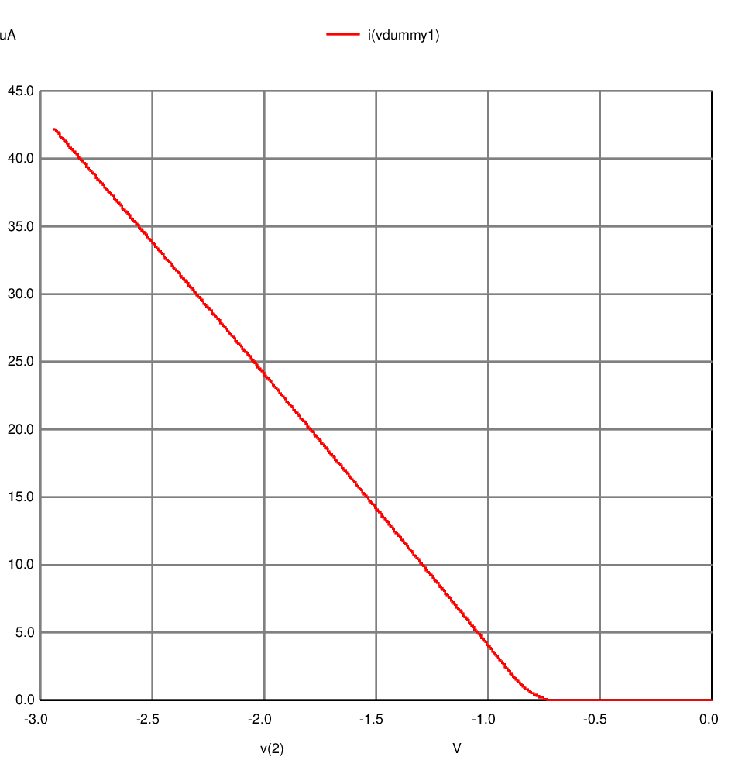
 |  | I_D (A) | V_DS (V)
 |  | 0.0000000000002140816 | 0.0014282
 |  | 0.0000000000002140816 | 0.0015709 | 0.0000000000000000000
 |  | 0.0000000000002140816 | 0.0017137 | 0.0000000000000000000
 |  | 0.0000000000002140816 | 0.0018565 | 0.0000000000000000000
 |  | 0.0000000000002140816 | 0.0019992 | 0.0000000000000000000
 |  | 0.0000000000002140816 | 0.0021419 | 0.0000000000000000000
 |  | 0.0000000000002140816 | 0.0022847 | 0.0000000000000000000
 |  | 0.0000000000002140816 | 0.0024274 | 0.0000000000000000000
 |  | 0.0000000000002140816 | 0.0025701 | 0.0000000000000000000
 |  | 0.0000000000002140816 | 0.0027128 | 0.0000000000000000000
 |  | 0.0000000000002140816 | 0.0028555 | 0.0000000000000000000
 |  | 0.0000000000002140816 | 0.0029982 | 0.0000000000000000000
 |  | 0.0000000000002140816 | 0.0031409 | 0.0000000000000000000
 |  | 0.0000000000002140816 | 0.0032836 | 0.0000000000000000000
 |  | 0.0000000000002140816 | 0.0034262 | 0.0000000000000000000
 |  | 0.0000000000002140816 | 0.0035689 | 0.0000000000000000000
 |  | 0.0000000000002140816 | 0.0037115 | 0.0000000000000000000
 |  | 0.0000000000002140816 | 0.0038542 | 0.0000000000000000000
 |  | 0.0000000000002140816 | 0.0039968 | 0.0000000000000000000
 |  | 0.0000000000002140816 | 0.0041394 | 0.0000000000000000000
 |  | 0.0000000000002140816 | 0.0042820 | 0.0000000000000000000
 |  | 0.0000000000002140816 | 0.0044247 | 0.0000000000000000000
 |  | 0.0000000000002140816 | 0.0045673 | 0.0000000000000000000
 |  | 0.0000000000002140816 | 0.0047098 | 0.0000000000000000000
 |  | 0.0000000000002140816 | 0.0048524 | 0.0000000000000000000
 |  | 0.0000000000002140816 | 0.0049950 | 0.0000000000000000000
 |  | 0.0000000000002140816 | 0.0051376 | 0.0000000000000000000
 |  | 0.0000000000002140816 | 0.0052801 | 0.0000000000000000000
 |  | 0.0000000000002140816 | 0.0054227 | 0.0000000000000000000
 |  | 0.0000000000002140816 | 0.0055652 | 0.0000000000000000000
...
 |  | I_D (A) | V_DS (V)
 |  | 0.0000000000002140816 | 0.1180048 | 0.0000000000000000000
 |  | 0.0000000000002140816 | 0.1181410 | 0.0000000000000000000
 |  | 0.0000000000002140816 | 0.1182772 | 0.0000000000000000000
 |  | 0.0000000000002140816 | 0.1184133 | 0.0000000000000000000
 |  | 0.0000000000002140816 | 0.1185495 | 0.0000000000000000000
 |  | 0.0000000000002140816 | 0.1186857 | 0.0000000000000000000
 |  | 0.0000000000002140816 | 0.1188218 | 0.0000000000000000000
 |  | 0.0000000000002140816 | 0.1189580 | 0.0000000000000000000
 |  | 0.0000000000002140816 | 0.1190941 | 0.0000000000000000000
 |  | 0.0000000000002140816 | 0.1192302 | 0.0000000000000000000
Chart Title
 | 2.140816E-13
 | 2.140816E-13
 | 2.140816E-13
 | 2.140816E-13
 | 2.140816E-13
 | 2.140816E-13
 | 2.140816E-13
 | 2.140816E-13
 | 2.140816E-13
 | 2.140816E-13
 | 2.140816E-13
 | 2.140816E-13
 | 2.140816E-13
 | 2.140816E-13
 | 2.140816E-13
 | 2.140816E-13
 |  | 0.0000000000002140816 | 0.1193664 | 0.0000000000000000000
 |  | 0.0000000000002140816 | 0.1195025 | 0.0000000000000000000
 |  | 0.0000000000002140816 | 0.1196386 | 0.0000000000000000000
 |  | 0.0000000000002140816 | 0.1197747 | 0.0000000000000000000
 |  | 0.0000000000002140816 | 0.1199108 | 0.0000000000000000000
 |  | 0.0000000000002140816 | 0.1200468 | 0.0000000000000000000
 |  | 0.0000000000002140816 | 0.1201829 | 0.0000000000000000000
 |  | 0.0000000000002140816 | 0.1203190 | 0.0000000000000000000
 |  | 0.0000000000002140816 | 0.1204551 | 0.0000000000000000000
 |  | 0.0000000000002140816 | 0.1205911 | 0.0000000000000000000
 |  | 0.0000000000002140816 | 0.1207272 | 0.0000000000000000000
 |  | 0.0000000000002140816 | 0.1208632 | 0.0000000000000000000
 |  | 0.0000000000002140816 | 0.1209992 | 0.0000000000000000000
 |  | 0.0000000000002140816 | 0.1211352 | 0.0000000000000000000
 |  | 0.0000000000002140816 | 0.1212713 | 0.0000000000000000000
 |  | 0.0000000000002140816 | 0.1214073 | 0.0000000000000000000
Chart Title
 |  | 0.0000000000002140816 | 0.1215433 | 0.0000000000000000000
 |  | 0.0000000000002140816 | 0.1216793 | 0.0000000000000000000
 |  | 0.0000000000002140816 | 0.1218152 | 0.0000000000000000000
 |  | 0.0000000000002140816 | 0.1219512 | 0.0000000000000000000
 |  | 0.0000000000002140816 | 0.1220872 | 0.0000000000000000000
 |  | 0.0000000000002140816 | 0.1222232 | 0.0000000000000000000
 |  | 0.0000000000002140816 | 0.1223591 | 0.0000000000000000000
 |  | 0.0000000000002140816 | 0.1224951 | 0.0000000000000000000
 |  | 0.0000000000002140816 | 0.1226310 | 0.0000000000000000000
 |  | 0.0000000000002140816 | 0.1227669 | 0.0000000000000000000
 |  | 0.0000000000002140816 | 0.1229028 | 0.0000000000000000000
 |  | 0.0000000000002140816 | 0.1230388 | 0.0000000000000000000
 |  | 0.0000000000002140816 | 0.1231747 | 0.0000000000000000000
 |  | 0.0000000000002140816 | 0.1233106 | 0.0000000000000000000
 |  | 0.0000000000002140816 | 0.1234465 | 0.0000000000000000000
 |  | 0.0000000000002140816 | 0.1235824 | 0.0000000000000000000
Chart Title
 |  | 0.0000000000002140816 | 0.1237182 | 0.0000000000000000000
 |  | 0.0000000000002140816 | 0.1238541 | 0.0000000000000000000
 |  | 0.0000000000002140816 | 0.1239900 | 0.0000000000000000000
 |  | 0.0000000000002140816 | 0.1241258 | 0.0000000000000000000
 |  | 0.0000000000002140816 | 0.1242617 | 0.0000000000000000000
 |  | 0.0000000000002140816 | 0.1243975 | 0.0000000000000000000
 |  | 0.0000000000002140816 | 0.1245333 | 0.0000000000000000000
 |  | 0.0000000000002140816 | 0.1246692 | 0.0000000000000000000
 |  | 0.0000000000002140816 | 0.1248050 | 0.0000000000000000000
 |  | 0.0000000000002140816 | 0.1249408 | 0.0000000000000000000
 |  | 0.0000000000002140816 | 0.1250766 | 0.0000000000000000000
 |  | 0.0000000000002140816 | 0.1252124 | 0.0000000000000000000
 |  | 0.0000000000002140816 | 0.1253482 | 0.0000000000000000000
 |  | 0.0000000000002140816 | 0.1254840 | 0.0000000000000000000
 |  | 0.0000000000002140816 | 0.1256197 | 0.0000000000000000000
 |  | 0.0000000000002140816 | 0.1257555 | 0.0000000000000000000
Chart Title
 |  | 0.0000000000002140816 | 0.1258913 | 0.0000000000000000000
 |  | 0.0000000000002140816 | 0.1260270 | 0.0000000000000000000
 |  | 0.0000000000002140816 | 0.1261628 | 0.0000000000000000000
 |  | 0.0000000000002140816 | 0.1262985 | 0.0000000000000000000
 |  | 0.0000000000002140816 | 0.1264342 | 0.0000000000000000000
 |  | 0.0000000000002140816 | 0.1265699 | 0.0000000000000000000
 |  | 0.0000000000002140816 | 0.1267057 | 0.0000000000000000000
 |  | 0.0000000000002140816 | 0.1268414 | 0.0000000000000000000
 |  | 0.0000000000002140816 | 0.1269771 | 0.0000000000000000000
 |  | 0.0000000000002140816 | 0.1271127 | 0.0000000000000000000
 |  | 0.0000000000002140816 | 0.1272484 | 0.0000000000000000000
 |  | 0.0000000000002140816 | 0.1273841 | 0.0000000000000000000
 |  | 0.0000000000002140816 | 0.1275198 | 0.0000000000000000000
 |  | 0.0000000000002140816 | 0.1276554 | 0.0000000000000000000
 |  | 0.0000000000002140816 | 0.1277911 | 0.0000000000000000000
 |  | 0.0000000000002140816 | 0.1279267 | 0.0000000000000000000
 |  | 0.0000000000002140816 | 0.1280624 | 0.0000000000000000000
 |  | 0.0000000000002140816 | 0.1281980 | 0.0000000000000000000
 |  | 0.0000000000002140816 | 0.1283336 | 0.0000000000000000000
 |  | 0.0000000000002140816 | 0.1284692 | 0.0000000000000000000
 |  | 0.0000000000002140816 | 0.1286048 | 0.0000000000000000000
 |  | 0.0000000000002140816 | 0.1287404 | 0.0000000000000000000
 |  | 0.0000000000002140816 | 0.1288760 | 0.0000000000000000000
 |  | 0.0000000000002140816 | 0.1290116 | 0.0000000000000000000
 |  | 0.0000000000002140816 | 0.1291472 | 0.0000000000000000000
...

Simulation - CMOS
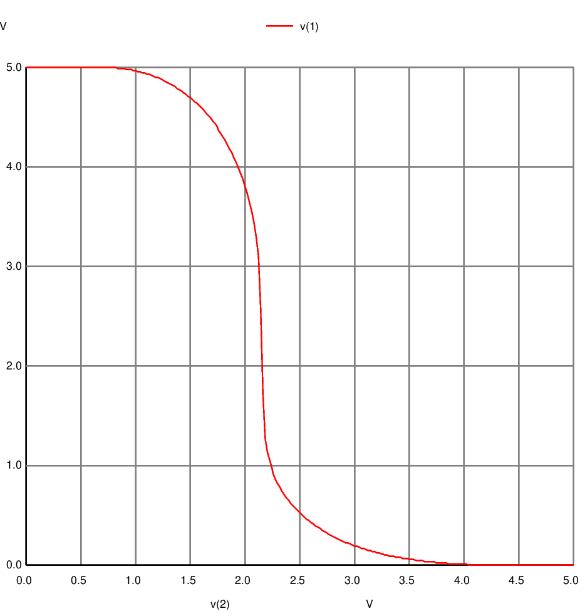
CMOS V_OUT vs V_IN

